Costco-Stocks
Date | Adj Close | Change | Return | Min | Max | Historic 5% | Historic 1% | SP500 Adj Close | Change
2011-12-01 | 74.459883 |  |  | -5.57% | 6.10% | -1.53% | -2.57% | 2198.810059 | -0.27% | Beta | -0.020738544918 | Adj Close
2011-12-02 | 74.152097 | -0.004142 | -0.41% |  |  |  |  | 2204.659912 | 0.13%
2011-12-05 | 74.55393 | 0.005404 | 0.54% |  |  | Data Object |  | 2201.719971 | -0.53% | Rsquare | 0.00027858687273 | Mean | 118.00035283
2011-12-06 | 75.289211 | 0.009814 | 0.98% |  |  | VoseDataObject('[Project Analysis.xlsx]Costco-Stocks'!H3:H1259) |  | 2213.350098 | 0.39% |  |  | Standard Error | 0.79607808384
2011-12-07 | 74.784778 | -0.006722 | -0.67% |  |  |  |  | 2204.719971 | 0.08% |  |  | Median | 111.2986685
2011-12-08 | 73.322769 | -0.019743 | -1.97% |  |  | Static Fit |  | 2202.939941 | 0.22% |  |  | Mode | 150.546646
2011-12-09 | 72.134352 | -0.016341 | -1.63% |  |  | VoseHS(0.0003714216310599203,0.01010058764516201) |  | 2198.179932 | 0.74% |  |  | Standard Deviation | 28.235532879
2011-12-12 | 71.946257 | -0.002611 | -0.26% |  |  | 5% | 1% | 2181.899902 | -0.24% |  |  | Sample Variance | 797.24531698
2011-12-13 | 71.501665 | -0.006199 | -0.62% |  |  | -1.60% | -2.63% | 2187.120117 | 0.47% |  |  | Kurtosis | -1.2376502071
2011-12-14 | 70.749289 | -0.010578 | -1.06% |  |  |  |  | 2176.939941 | -0.16% |  |  | Skewness | -0.035665307902
2011-12-15 | 70.595393 | -0.002178 | -0.22% |  |  | Parmeter Uncertainty |  | 2180.389893 | 0.75% |  |  | Range | 100.969644
2011-12-16 | 70.595393 | 0.000000 | 0.00% |  |  | VoseHS(0.0005722079444393049,0.01019839304645099) |  | 2164.199951 | -0.01% |  |  | Minimum | 67.551679
2011-12-19 | 70.159353 | -0.006196 | -0.62% |  |  | 5% | 1% | 2164.449951 | -0.14% |  |  | Maximum | 168.521323
2011-12-20 | 71.510217 | 0.019071 | 1.91% |  |  | -1.59% | -2.62% | 2167.47998 | 0.19% |  |  | Sum | 148444.44387
2011-12-21 | 71.638465 | 0.001792 | 0.18% |  | Means | -0.015907191811 | -0.026248272595 | 2163.26001 | 1.10% |  |  | Count | 1258
2011-12-22 | 71.621361 | -0.000239 | -0.02% |  |  |  |  | 2139.560059 | 0.38%
2011-12-23 | 72.382296 | 0.010568 | 1.06% |  |  | Model Uncertinty |  | 2131.52002 | 2.20%
Costco Stock Values
 | Open | High | Low | Close | Volume | Adj Close | Change
12/1/2011 |  |  |  |  |  | 74.459883
12/2/2011 |  |  |  |  |  | 74.152097 | -0.004142
12/5/2011 |  |  |  |  |  | 74.55393 | 0.005404
12/6/2011 |  |  |  |  |  | 75.289211 | 0.009814
12/7/2011 |  |  |  |  |  | 74.784778 | -0.006722
12/8/2011 |  |  |  |  |  | 73.322769 | -0.019743
12/9/2011 |  |  |  |  |  | 72.134352 | -0.016341
12/12/2011 |  |  |  |  |  | 71.946257 | -0.002611
12/13/2011 |  |  |  |  |  | 71.501665 | -0.006199
12/14/2011 |  |  |  |  |  | 70.749289 | -0.010578
12/15/2011 |  |  |  |  |  | 70.595393 | -0.002178
12/16/2011 |  |  |  |  |  | 70.595393 | 0.000000
12/19/2011 |  |  |  |  |  | 70.159353 | -0.006196
12/20/2011 |  |  |  |  |  | 71.510217 | 0.019071
12/21/2011 |  |  |  |  |  | 71.638465 | 0.001792
12/22/2011 |  |  |  |  |  | 71.621361 | -0.000239
12/23/2011 |  |  |  |  |  | 72.382296 | 0.010568
12/27/2011 |  |  |  |  |  | 72.313897 | -0.000945
12/28/2011 |  |  |  |  |  | 71.971905 | -0.004740
12/29/2011 |  |  |  |  |  | 72.108698 | 0.001899
12/30/2011 |  |  |  |  |  | 71.236625 | -0.012168
1/3/2012 |  |  |  |  |  | 72.330993 | 0.015246
1/4/2012 |  |  |  |  |  | 71.877857 | -0.006284
1/5/2012 |  |  |  |  |  | 71.185328 | -0.009682
1/6/2012 |  |  |  |  |  | 69.364225 | -0.025915
1/9/2012 |  |  |  |  |  | 67.551679 | -0.026478
1/10/2012 |  |  |  |  |  | 67.671375 | 0.001770
1/11/2012 |  |  |  |  |  | 68.389552 | 0.010557
1/12/2012 |  |  |  |  |  | 68.355352 | -0.000500
1/13/2012 |  |  |  |  |  | 68.91964 | 0.008221
1/17/2012 |  |  |  |  |  | 69.612168 | 0.009998
1/18/2012 |  |  |  |  |  | 69.902864 | 0.004167
1/19/2012 |  |  |  |  |  | 69.432624 | -0.006750
1/20/2012 |  |  |  |  |  | 69.603623 | 0.002460
1/23/2012 |  |  |  |  |  | 69.800264 | 0.002821
1/24/2012 |  |  |  |  |  | 69.877216 | 0.001102
1/25/2012 |  |  |  |  |  | 70.72364 | 0.012040
1/26/2012 |  |  |  |  |  | 70.159353 | -0.008011
1/27/2012 |  |  |  |  |  | 69.783168 | -0.005376
1/30/2012 |  |  |  |  |  | 69.629272 | -0.002208
1/31/2012 |  |  |  |  |  | 70.338897 | 0.010140
2/1/2012 |  |  |  |  |  | 71.151128 | 0.011481
2/2/2012 |  |  |  |  |  | 73.109025 | 0.027146
2/3/2012 |  |  |  |  |  | 72.980777 | -0.001756
2/6/2012 |  |  |  |  |  | 72.707185 | -0.003756
2/7/2012 |  |  |  |  |  | 72.296794 | -0.005660
2/8/2012 |  |  |  |  |  | 72.2625 | -0.000474
2/9/2012 |  |  |  |  |  | 72.476852 | 0.002962
2/10/2012 |  |  |  |  |  | 72.193905 | -0.003912
2/13/2012 |  |  |  |  |  | 71.910965 | -0.003927
...
2011-12-27 | 72.313897 | -0.000945 | -0.09% |  |  | Distributions | Priors | 2085.179932 | -0.17%
2011-12-28 | 71.971905 | -0.004740 | -0.47% |  |  | VoseHS(0.0003714216310599203,0.01010058764516201) | 1 | 2088.659912 | -0.44%
2011-12-29 | 72.108698 | 0.001899 | 0.19% |  |  | VoseStudent3(0.0003919275358520569,0.01022174921694445,5) | 1 | 2097.939941 | -0.65%
2011-12-30 | 71.236625 | -0.012168 | -1.22% |  |  | VoseLogistic(0.0004238594588278782,0.005429682619790889) | 1 | 2111.719971 | -0.68%
2012-01-03 | 72.330993 | 0.015246 | 1.52% |  |  | VoseGLogistic(-0.0003239614180212015,0.005598503686646694,1.096208367201708) | 1 | 2126.149902 | -0.01%
2012-01-04 | 71.877857 | -0.006284 | -0.63% |  |  | VoseError(0.000557762822755758,0.01020358544912488,1.23590843304958) | 1 | 2126.409912 | -0.31%
2012-01-05 | 71.185328 | -0.009682 | -0.97% |  |  |  |  | 2133.040039 | -0.30%
2012-01-06 | 69.364225 | -0.025915 | -2.59% |  |  | VoseBMA('[Project Analysis.xlsx]Costco-Stocks'!M20:M24,'[Project Analysis.xlsx]Costco-Stocks'!N20:N24) |  | 2139.429932 | -0.17%
2012-01-09 | 67.551679 | -0.026478 | -2.65% |  |  | 5% | 1% | 2143.159912 | -0.38%
2012-01-10 | 67.671375 | 0.001770 | 0.18% |  |  | -1.57% | -2.54% | 2151.330078 | 0.47%
2012-01-11 | 68.389552 | 0.010557 | 1.06% |  | Means | -0.015709579253 | -0.025412213748 | 2141.159912 | -0.01%
2012-01-12 | 68.355352 | -0.000500 | -0.05% |  |  |  |  | 2141.340088 | -0.14%
2012-01-13 | 68.91964 | 0.008221 | 0.82% |  |  |  |  | 2144.290039 | 0.22%
2012-01-17 | 69.612168 | 0.009998 | 1.00% |  |  |  |  | 2139.600098 | 0.61%
2012-01-18 | 69.902864 | 0.004167 | 0.42% |  |  |  |  | 2126.5 | -0.30%
2012-01-19 | 69.432624 | -0.006750 | -0.67% |  |  |  |  | 2132.97998 | 0.02%
2012-01-20 | 69.603623 | 0.002460 | 0.25% |  |  |  |  | 2132.550049 | -0.31%
2012-01-23 | 69.800264 | 0.002821 | 0.28% |  |  |  |  | 2139.179932 | 0.11%
2012-01-24 | 69.877216 | 0.001102 | 0.11% |  |  |  |  | 2136.72998 | -1.25%
2012-01-25 | 70.72364 | 0.012040 | 1.20% |  |  |  |  | 2163.659912 | 0.46%
2012-01-26 | 70.159353 | -0.008011 | -0.80% |  |  |  |  | 2153.73999 | -0.33%
2012-01-27 | 69.783168 | -0.005376 | -0.54% |  |  |  |  | 2160.77002 | 0.05%
2012-01-30 | 69.629272 | -0.002208 | -0.22% |  |  |  |  | 2159.72998 | 0.43%
2012-01-31 | 70.338897 | 0.010140 | 1.01% |  |  |  |  | 2150.48999 | -0.50%
2012-02-01 | 71.151128 | 0.011481 | 1.15% |  |  |  |  | 2161.199951 | -0.33%
2012-02-02 | 73.109025 | 0.027146 | 2.71% |  |  |  |  | 2168.27002 | 0.79%
2012-02-03 | 72.980777 | -0.001756 | -0.18% |  |  |  |  | 2151.129883 | -0.94%
2012-02-06 | 72.707185 | -0.003756 | -0.38% |  |  |  |  | 2171.370117 | 0.53%
2012-02-07 | 72.296794 | -0.005660 | -0.57% |  |  |  |  | 2159.929932 | 0.64%
2012-02-08 | 72.2625 | -0.000474 | -0.05% |  |  |  |  | 2146.100098 | -0.86%
2012-02-09 | 72.476852 | 0.002962 | 0.30% |  |  |  |  | 2164.689941 | -0.58%
2012-02-10 | 72.193905 | -0.003912 | -0.39% |  |  |  |  | 2177.179932 | 0.65%
2012-02-13 | 71.910965 | -0.003927 | -0.39% |  |  |  |  | 2163.120117 | 1.09%
2012-02-14 | 72.108166 | 0.002739 | 0.27% |  |  |  |  | 2139.76001 | 0.03%
2012-02-15 | 71.370793 | -0.010279 | -1.03% |  |  |  |  | 2139.120117 | 0.00%
2012-02-16 | 72.065299 | 0.009684 | 0.97% |  |  |  |  | 2139.159912 | -0.38%
2012-02-17 | 72.42541 | 0.004985 | 0.50% |  |  |  |  | 2147.26001 | 1.01%
2012-02-21 | 72.245355 | -0.002489 | -0.25% |  |  |  |  | 2125.77002 | -0.06%
2012-02-22 | 72.288221 | 0.000593 | 0.06% |  |  |  |  | 2127.02002 | -1.49%
2012-02-23 | 72.682629 | 0.005441 | 0.54% |  |  |  |  | 2159.040039 | 1.46%
2012-02-24 | 72.365391 | -0.004374 | -0.44% |  |  |  |  | 2127.810059 | -2.48%
2012-02-27 | 72.957 | 0.008142 | 0.81% |  |  |  |  | 2181.300049 | -0.22%
2012-02-28 | 73.111334 | 0.002113 | 0.21% |  |  |  |  | 2186.159912 | -0.01%
2012-02-29 | 73.788688 | 0.009222 | 0.92% |  |  |  |  | 2186.47998 | 0.30%
2012-03-01 | 73.874435 | 0.001161 | 0.12% |  |  |  |  | 2179.97998 | 0.42%
2012-03-02 | 73.934453 | 0.000812 | 0.08% |  |  |  |  | 2170.860107 | 0.00%
2012-03-05 | 75.134821 | 0.016105 | 1.61% |  |  |  |  | 2170.949951 | -0.24%
2012-03-06 | 75.091955 | -0.000571 | -0.06% |  |  |  |  | 2176.120117 | -0.20%
2012-03-07 | 75.35775 | 0.003533 | 0.35% |  |  |  |  | 2180.379883 | 0.52%
2012-03-08 | 75.709291 | 0.004654 | 0.47% |  |  |  |  | 2169.040039 | -0.16%
2012-03-09 | 76.600992 | 0.011709 | 1.17% |  |  |  |  | 2172.469971 | -0.14%
2012-03-12 | 76.678162 | 0.001007 | 0.10% |  |  |  |  | 2175.439941 | -0.53%
2012-03-13 | 77.14974 | 0.006131 | 0.61% |  |  |  |  | 2186.899902 | 0.19%
2012-03-14 | 77.938555 | 0.010173 | 1.02% |  |  |  |  | 2182.639893 | -0.06%
2012-03-15 | 78.418703 | 0.006142 | 0.61% |  |  |  |  | 2183.870117 | -0.14%
2012-03-16 | 77.544148 | -0.011215 | -1.12% |  |  |  |  | 2187.02002 | 0.22%
2012-03-19 | 77.18403 | -0.004655 | -0.47% |  |  |  |  | 2182.219971 | 0.19%
2012-03-20 | 77.389814 | 0.002663 | 0.27% |  |  |  |  | 2178.149902 | -0.55%
2012-03-21 | 77.715627 | 0.004201 | 0.42% |  |  |  |  | 2190.149902 | 0.28%
2012-03-22 | 77.59559 | -0.001546 | -0.15% |  |  |  |  | 2184.050049 | -0.08%
2012-03-23 | 77.398383 | -0.002545 | -0.25% |  |  |  |  | 2185.790039 | 0.47%
2012-03-26 | 78.470145 | 0.013752 | 1.38% |  |  |  |  | 2175.48999 | -0.29%
2012-03-27 | 78.264369 | -0.002626 | -0.26% |  |  |  |  | 2181.73999 | 0.04%
2012-03-28 | 77.698482 | -0.007257 | -0.73% |  |  |  |  | 2180.889893 | -0.09%
2012-03-29 | 77.029696 | -0.008645 | -0.86% |  |  |  |  | 2182.870117 | 0.86%
2012-03-30 | 77.852816 | 0.010629 | 1.06% |  |  |  |  | 2164.25 | 0.02%
2012-04-02 | 78.744516 | 0.011389 | 1.14% |  |  |  |  | 2163.790039 | 0.31%
2012-04-03 | 77.501274 | -0.015914 | -1.59% |  |  |  |  | 2157.030029 | -0.64%
2012-04-04 | 76.343772 | -0.015048 | -1.50% |  |  |  |  | 2170.840088 | -0.13%
2012-04-05 | 76.009383 | -0.004390 | -0.44% |  |  |  |  | 2173.600098 | 0.16%
2012-04-09 | 75.349174 | -0.008724 | -0.87% |  |  |  |  | 2170.060059 | 0.16%
2012-04-10 | 74.50034 | -0.011329 | -1.13% |  |  |  |  | 2166.580078 | -0.12%
2012-04-11 | 74.869027 | 0.004937 | 0.49% |  |  |  |  | 2169.179932 | 0.03%
2012-04-12 | 74.74899 | -0.001605 | -0.16% |  |  |  |  | 2168.47998 | -0.30%
2012-04-13 | 74.011617 | -0.009914 | -0.99% |  |  |  |  | 2175.030029 | 0.45%
2012-04-16 | 74.491764 | 0.006467 | 0.65% |  |  |  |  | 2165.169922 | -0.36%
2012-04-17 | 75.169119 | 0.009052 | 0.91% |  |  |  |  | 2173.02002 | 0.43%
2012-04-18 | 75.512084 | 0.004552 | 0.46% |  |  |  |  | 2163.780029 | -0.14%
2012-04-19 | 74.697547 | -0.010845 | -1.08% |  |  |  |  | 2166.889893 | 0.24%
2012-04-20 | 75.091955 | 0.005266 | 0.53% |  |  |  |  | 2161.73999 | -0.09%
2012-04-23 | 74.268842 | -0.011022 | -1.10% |  |  |  |  | 2163.75 | 0.52%
2012-04-24 | 74.105932 | -0.002196 | -0.22% |  |  |  |  | 2152.429932 | 0.01%
2012-04-25 | 74.834729 | 0.009786 | 0.98% |  |  |  |  | 2152.139893 | 0.70%
2012-04-26 | 75.52066 | 0.009124 | 0.91% |  |  |  |  | 2137.159912 | 0.34%
2012-04-27 | 76.04368 | 0.006902 | 0.69% |  |  |  |  | 2129.899902 | 1.51%
2012-04-30 | 75.606399 | -0.005767 | -0.58% |  |  |  |  | 2097.899902 | -0.09%
2012-05-01 | 74.568934 | -0.013817 | -1.38% |  |  |  |  | 2099.72998 | 0.53%
2012-05-02 | 74.285988 | -0.003802 | -0.38% |  |  |  |  | 2088.550049 | -0.69%
2012-05-03 | 72.228203 | -0.028092 | -2.81% |  |  |  |  | 2102.949951 | 0.19%
2012-05-04 | 71.499406 | -0.010141 | -1.01% |  |  |  |  | 2098.860107 | 1.35%
2012-05-07 | 71.293629 | -0.002882 | -0.29% |  |  |  |  | 2070.77002 | 1.69%
2012-05-08 | 70.856348 | -0.006152 | -0.62% |  |  |  |  | 2036.089966 | 1.76%
2012-05-09 | 70.839203 | -0.000242 | -0.02% |  |  |  |  | 2000.540039 | -1.83%
2012-05-10 | 71.919535 | 0.015135 | 1.51% |  |  |  |  | 2037.410034 | -3.66%
2012-05-11 | 72.536871 | 0.008547 | 0.85% |  |  |  |  | 2113.320068 | 1.33%
2012-05-14 | 72.279652 | -0.003552 | -0.36% |  |  |  |  | 2085.449951 | -0.17%
2012-05-15 | 72.519725 | 0.003316 | 0.33% |  |  |  |  | 2088.899902 | 0.27%
2012-05-16 | 72.802672 | 0.003894 | 0.39% |  |  |  |  | 2083.25 | 0.58%
2012-05-17 | 71.568 | -0.017105 | -1.71% |  |  |  |  | 2071.219971 | -0.33%
2012-05-18 | 71.113574 | -0.006370 | -0.64% |  |  |  |  | 2077.98999 | 0.31%
2012-05-21 | 71.790928 | 0.009480 | 0.95% |  |  |  |  | 2071.5 | -0.18%
2012-05-22 | 71.49083 | -0.004189 | -0.42% |  |  |  |  | 2075.320068 | -0.18%
2012-05-23 | 71.667182 | 0.002464 | 0.25% |  |  |  |  | 2079.060059 | -0.81%
2012-05-24 | 72.673676 | 0.013946 | 1.39% |  |  |  |  | 2096.070068 | -0.92%
2012-05-25 | 72.673676 | 0.000000 | 0.00% |  |  |  |  | 2115.47998 | -0.17%
2012-05-29 | 74.531806 | 0.025247 | 2.52% |  |  |  |  | 2119.120117 | 0.33%
2012-05-30 | 73.817799 | -0.009626 | -0.96% |  |  |  |  | 2112.129883 | 0.13%
2012-05-31 | 74.316744 | 0.006736 | 0.67% |  |  |  |  | 2109.409912 | 0.49%
2012-06-01 | 73.542521 | -0.010473 | -1.05% |  |  |  |  | 2099.129883 | -0.29%
2012-06-04 | 74.462985 | 0.012438 | 1.24% |  |  |  |  | 2105.26001 | 0.28%
2012-06-05 | 74.643636 | 0.002423 | 0.24% |  |  |  |  | 2099.330078 | 0.11%
2012-06-06 | 75.512487 | 0.011573 | 1.16% |  |  |  |  | 2096.949951 | -0.10%
2012-06-07 | 75.813572 | 0.003979 | 0.40% |  |  |  |  | 2099.060059 | 0.43%
2012-06-08 | 76.338324 | 0.006898 | 0.69% |  |  |  |  | 2090.100098 | -0.02%
2012-06-11 | 75.624324 | -0.009397 | -0.94% |  |  |  |  | 2090.540039 | 0.70%
2012-06-12 | 76.131866 | 0.006689 | 0.67% |  |  |  |  | 2076.060059 | 1.36%
2012-06-13 | 75.211402 | -0.012164 | -1.22% |  |  |  |  | 2048.040039 | -0.21%
2012-06-14 | 77.275996 | 0.027081 | 2.71% |  |  |  |  | 2052.320068 | 0.60%
2012-06-15 | 78.660995 | 0.017764 | 1.78% |  |  |  |  | 2040.040039 | -0.37%
2012-06-18 | 79.168537 | 0.006432 | 0.64% |  |  |  |  | 2047.630005 | 0.02%
2012-06-19 | 79.022297 | -0.001849 | -0.18% |  |  |  |  | 2047.209961 | -0.95%
2012-06-20 | 78.704003 | -0.004036 | -0.40% |  |  |  |  | 2066.659912 | 0.97%
2012-06-21 | 77.766337 | -0.011985 | -1.20% |  |  |  |  | 2046.609985 | -0.85%
2012-06-22 | 78.222267 | 0.005846 | 0.58% |  |  |  |  | 2064.110107 | -0.02%
2012-06-25 | 78.170654 | -0.000660 | -0.07% |  |  |  |  | 2064.459961 | -0.96%
2012-06-26 | 78.876056 | 0.008983 | 0.90% |  |  |  |  | 2084.389893 | 1.24%
2012-06-27 | 78.557763 | -0.004044 | -0.40% |  |  |  |  | 2058.689941 | 0.08%
2012-06-28 | 79.934157 | 0.017369 | 1.74% |  |  |  |  | 2057.139893 | 0.32%
2012-06-29 | 81.723472 | 0.022138 | 2.21% |  |  |  |  | 2050.629883 | -0.02%
2012-07-02 | 81.207325 | -0.006336 | -0.63% |  |  |  |  | 2051.120117 | -0.60%
2012-07-03 | 81.224527 | 0.000212 | 0.02% |  |  |  |  | 2063.370117 | -0.87%
2012-07-05 | 80.863225 | -0.004458 | -0.45% |  |  |  |  | 2081.429932 | 0.78%
2012-07-06 | 80.587946 | -0.003410 | -0.34% |  |  |  |  | 2065.300049 | -0.51%
2012-07-09 | 80.837419 | 0.003091 | 0.31% |  |  |  |  | 2075.810059 | -0.93%
2012-07-10 | 80.691178 | -0.001811 | -0.18% |  |  |  |  | 2095.149902 | 0.16%
2012-07-11 | 81.293349 | 0.007435 | 0.74% |  |  |  |  | 2091.699951 | 0.19%
2012-07-12 | 80.880427 | -0.005092 | -0.51% |  |  |  |  | 2087.790039 | -0.18%
2012-07-13 | 81.560023 | 0.008367 | 0.84% |  |  |  |  | 2091.580078 | 0.00%
2012-07-16 | 81.852511 | 0.003580 | 0.36% |  |  |  |  | 2091.47998 | -0.52%
2012-07-17 | 82.635332 | 0.009518 | 0.95% |  |  |  |  | 2102.399902 | 0.08%
2012-07-18 | 82.549309 | -0.001042 | -0.10% |  |  |  |  | 2100.800049 | 0.31%
2012-07-19 | 82.540704 | -0.000104 | -0.01% |  |  |  |  | 2094.340088 | 0.65%
2012-07-20 | 82.248223 | -0.003550 | -0.35% |  |  |  |  | 2080.72998 | -0.10%
2012-07-23 | 81.198721 | -0.012842 | -1.28% |  |  |  |  | 2082.780029 | 0.02%
2012-07-24 | 80.932046 | -0.003290 | -0.33% |  |  |  |  | 2082.419922 | 1.00%
2012-07-25 | 80.648163 | -0.003514 | -0.35% |  |  |  |  | 2061.719971 | 0.96%
2012-07-26 | 82.5063 | 0.022779 | 2.28% |  |  |  |  | 2041.98999 | -0.27%
2012-07-27 | 83.538594 | 0.012434 | 1.24% |  |  |  |  | 2047.599976 | 0.28%
2012-07-30 | 82.979432 | -0.006716 | -0.67% |  |  |  |  | 2041.910034 | -1.20%
2012-07-31 | 82.738564 | -0.002907 | -0.29% |  |  |  |  | 2066.659912 | 1.05%
2012-08-01 | 82.532107 | -0.002498 | -0.25% |  |  |  |  | 2045.170044 | -1.02%
2012-08-02 | 82.325643 | -0.002505 | -0.25% |  |  |  |  | 2066.129883 | -0.32%
2012-08-03 | 83.624617 | 0.015655 | 1.57% |  |  |  |  | 2072.780029 | 0.63%
2012-08-06 | 83.013843 | -0.007331 | -0.73% |  |  |  |  | 2059.73999 | -0.20%
2012-08-07 | 82.411672 | -0.007280 | -0.73% |  |  |  |  | 2063.949951 | 0.43%
2012-08-08 | 82.502254 | 0.001099 | 0.11% |  |  |  |  | 2055.01001 | 0.88%
2012-08-09 | 82.277951 | -0.002722 | -0.27% |  |  |  |  | 2037.050049 | 0.05%
2012-08-10 | 82.217561 | -0.000734 | -0.07% |  |  |  |  | 2035.939941 | -0.04%
2012-08-13 | 82.502254 | 0.003457 | 0.35% |  |  |  |  | 2036.709961 | -0.64%
2012-08-14 | 82.536764 | 0.000418 | 0.04% |  |  |  |  | 2049.800049 | -0.09%
2012-08-15 | 83.226946 | 0.008327 | 0.83% |  |  |  |  | 2051.600098 | 0.10%
2012-08-16 | 83.235575 | 0.000104 | 0.01% |  |  |  |  | 2049.580078 | 0.44%
2012-08-17 | 82.942245 | -0.003530 | -0.35% |  |  |  |  | 2040.589966 | 0.66%
2012-08-20 | 82.838716 | -0.001249 | -0.12% |  |  |  |  | 2027.219971 | 0.56%
2012-08-21 | 82.208932 | -0.007632 | -0.76% |  |  |  |  | 2015.930054 | -0.18%
2012-08-22 | 82.415983 | 0.002515 | 0.25% |  |  |  |  | 2019.640015 | -0.13%
2012-08-23 | 81.734431 | -0.008304 | -0.83% |  |  |  |  | 2022.189941 | 1.63%
2012-08-24 | 83.037145 | 0.015813 | 1.58% |  |  |  |  | 1989.569946 | 0.02%
2012-08-27 | 83.373607 | 0.004044 | 0.40% |  |  |  |  | 1989.26001 | 0.50%
2012-08-28 | 83.313217 | -0.000725 | -0.07% |  |  |  |  | 1979.26001 | -1.13%
2012-08-29 | 83.779088 | 0.005576 | 0.56% |  |  |  |  | 2001.76001 | 0.09%
2012-08-30 | 85.055915 | 0.015125 | 1.51% |  |  |  |  | 1999.98999 | 0.33%
2012-08-31 | 84.43476 | -0.007330 | -0.73% |  |  |  |  | 1993.400024 | 0.35%
2012-09-04 | 84.676322 | 0.002857 | 0.29% |  |  |  |  | 1986.449951 | 0.41%
2012-09-05 | 84.736712 | 0.000713 | 0.07% |  |  |  |  | 1978.349976 | 2.36%
2012-09-06 | 86.255107 | 0.017760 | 1.78% |  |  |  |  | 1932.22998 | -0.82%
2012-09-07 | 86.030797 | -0.002604 | -0.26% |  |  |  |  | 1948.050049 | -0.19%
2012-09-10 | 86.660582 | 0.007294 | 0.73% |  |  |  |  | 1951.699951 | 1.13%
2012-09-11 | 85.858249 | -0.009301 | -0.93% |  |  |  |  | 1929.800049 | 0.44%
2012-09-12 | 87.040182 | 0.013672 | 1.37% |  |  |  |  | 1921.27002 | -1.25%
2012-09-13 | 88.644849 | 0.018268 | 1.83% |  |  |  |  | 1945.5 | 1.44%
2012-09-14 | 88.153097 | -0.005563 | -0.56% |  |  |  |  | 1917.780029 | 0.00%
2012-09-17 | 88.213487 | 0.000685 | 0.07% |  |  |  |  | 1917.829956 | -0.47%
2012-09-18 | 87.989177 | -0.002546 | -0.25% |  |  |  |  | 1926.819946 | 1.63%
2012-09-19 | 87.894277 | -0.001079 | -0.11% |  |  |  |  | 1895.579956 | 1.64%
2012-09-20 | 88.549949 | 0.007432 | 0.74% |  |  |  |  | 1864.780029 | 1.93%
2012-09-21 | 88.308387 | -0.002732 | -0.27% |  |  |  |  | 1829.079956 | -1.24%
2012-09-24 | 88.524068 | 0.002439 | 0.24% |  |  |  |  | 1851.859985 | -0.02%
2012-09-25 | 87.514683 | -0.011468 | -1.15% |  |  |  |  | 1852.209961 | -0.07%
2012-09-26 | 87.135082 | -0.004347 | -0.43% |  |  |  |  | 1853.439941 | -1.43%
2012-09-27 | 86.531179 | -0.006955 | -0.70% |  |  |  |  | 1880.050049 | -1.87%
2012-09-28 | 86.410398 | -0.001397 | -0.14% |  |  |  |  | 1915.449951 | 0.15%
2012-10-01 | 86.71235 | 0.003488 | 0.35% |  |  |  |  | 1912.530029 | 0.50%
2012-10-02 | 85.832368 | -0.010200 | -1.02% |  |  |  |  | 1903.030029 | -1.89%
2012-10-03 | 85.944526 | 0.001306 | 0.13% |  |  |  |  | 1939.380005 | -0.04%
2012-10-04 | 87.549193 | 0.018499 | 1.85% |  |  |  |  | 1940.23999 | 2.45%
2012-10-05 | 87.816635 | 0.003050 | 0.31% |  |  |  |  | 1893.359985 | 0.55%
2012-10-08 | 87.437034 | -0.004332 | -0.43% |  |  |  |  | 1882.949951 | -1.09%
2012-10-09 | 85.961778 | -0.017016 | -1.70% |  |  |  |  | 1903.630005 | 1.40%
2012-10-10 | 87.618206 | 0.019086 | 1.91% |  |  |  |  | 1877.079956 | -1.58%
2012-10-11 | 84.822983 | -0.032422 | -3.24% |  |  |  |  | 1906.900024 | 2.01%
2012-10-12 | 84.158689 | -0.007862 | -0.79% |  |  |  |  | 1868.98999 | 0.52%
2012-10-15 | 83.261455 | -0.010718 | -1.07% |  |  |  |  | 1859.329956 | -1.18%
2012-10-16 | 83.684188 | 0.005064 | 0.51% |  |  |  |  | 1881.329956 | 0.05%
2012-10-17 | 83.494388 | -0.002271 | -0.23% |  |  |  |  | 1880.329956 | -2.18%
2012-10-18 | 83.106165 | -0.004661 | -0.47% |  |  |  |  | 1921.839966 | 1.66%
2012-10-19 | 81.768941 | -0.016221 | -1.62% |  |  |  |  | 1890.280029 | -2.53%
2012-10-22 | 81.958741 | 0.002318 | 0.23% |  |  |  |  | 1938.680054 | 0.78%
2012-10-23 | 82.114031 | 0.001893 | 0.19% |  |  |  |  | 1923.670044 | 0.09%
2012-10-24 | 82.493632 | 0.004612 | 0.46% |  |  |  |  | 1922.030029 | -1.09%
2012-10-25 | 83.356356 | 0.010404 | 1.04% |  |  |  |  | 1943.089966 | -2.40%
2012-10-26 | 83.632427 | 0.003306 | 0.33% |  |  |  |  | 1990.26001 | -1.32%
2012-10-31 | 84.917883 | 0.015253 | 1.53% |  |  |  |  | 2016.709961 | 0.20%
2012-11-01 | 83.79634 | -0.013295 | -1.33% |  |  |  |  | 2012.660034 | -1.54%
2012-11-02 | 82.924994 | -0.010453 | -1.05% |  |  |  |  | 2043.939941 | -0.95%
2012-11-05 | 84.313979 | 0.016611 | 1.66% |  |  |  |  | 2063.360107 | -0.72%
2012-11-06 | 85.228464 | 0.010788 | 1.08% |  |  |  |  | 2078.360107 | 1.06%
2012-11-07 | 83.943008 | -0.015197 | -1.52% |  |  |  |  | 2056.5 | -0.22%
2012-11-08 | 81.734431 | -0.026663 | -2.67% |  |  |  |  | 2060.98999 | -0.16%
2012-11-09 | 82.355593 | 0.007571 | 0.76% |  |  |  |  | 2064.290039 | 1.23%
2012-11-12 | 82.804213 | 0.005433 | 0.54% |  |  |  |  | 2038.969971 | 0.88%
2012-11-13 | 82.554022 | -0.003026 | -0.30% |  |  |  |  | 2021.150024 | 0.77%
2012-11-14 | 81.736395 | -0.009954 | -1.00% |  |  |  |  | 2005.550049 | -1.80%
2012-11-15 | 82.8006 | 0.012936 | 1.29% |  |  |  |  | 2041.890015 | -1.52%
2012-11-16 | 82.791952 | -0.000104 | -0.01% |  |  |  |  | 2073.070068 | 1.44%
2012-11-19 | 83.553335 | 0.009154 | 0.92% |  |  |  |  | 2043.410034 | 1.06%
2012-11-20 | 84.029203 | 0.005679 | 0.57% |  |  |  |  | 2021.939941 | 0.47%
2012-11-21 | 83.700419 | -0.003920 | -0.39% |  |  |  |  | 2012.369995 | -1.96%
2012-11-23 | 84.721367 | 0.012124 | 1.21% |  |  |  |  | 2052.22998 | 0.22%
2012-11-26 | 83.285122 | -0.017098 | -1.71% |  |  |  |  | 2047.619995 | -0.78%
2012-11-27 | 83.501424 | 0.002594 | 0.26% |  |  |  |  | 2063.590088 | -0.65%
2012-11-28 | 88.753249 | 0.060996 | 6.10% |  |  |  |  | 2077.070068 | -0.70%
2012-11-29 | 88.147598 | -0.006847 | -0.68% |  |  |  |  | 2091.689941 | 2.03%
2012-11-30 | 89.912627 | 0.019826 | 1.98% |  |  |  |  | 2049.620117 | -1.45%
2012-12-03 | 90.492317 | 0.006427 | 0.64% |  |  |  |  | 2079.51001 | -1.11%
2012-12-04 | 90.327931 | -0.001818 | -0.18% |  |  |  |  | 2102.629883 | 1.06%
2012-12-05 | 91.669003 | 0.014738 | 1.47% |  |  |  |  | 2080.409912 | -0.47%
2012-12-06 | 91.224329 | -0.004863 | -0.49% |  |  |  |  | 2090.110107 | 0.06%
2012-12-07 | 91.307704 | 0.000914 | 0.09% |  |  |  |  | 2088.870117 | -0.01%
2012-12-10 | 91.669006 | 0.003949 | 0.39% |  |  |  |  | 2089.139893 | 0.12%
2012-12-11 | 91.076099 | -0.006489 | -0.65% |  |  |  |  | 2086.590088 | -0.12%
2012-12-12 | 90.529516 | -0.006019 | -0.60% |  |  |  |  | 2089.169922 | 0.38%
2012-12-13 | 90.649948 | 0.001329 | 0.13% |  |  |  |  | 2081.23999 | -0.11%
2012-12-14 | 89.788379 | -0.009550 | -0.95% |  |  |  |  | 2083.580078 | 1.60%
2012-12-17 | 91.511517 | 0.019009 | 1.90% |  |  |  |  | 2050.439941 | -0.13%
2012-12-18 | 92.512049 | 0.010874 | 1.09% |  |  |  |  | 2053.189941 | 1.48%
2012-12-19 | 91.418876 | -0.011887 | -1.19% |  |  |  |  | 2023.040039 | -1.13%
2012-12-20 | 91.90061 | 0.005256 | 0.53% |  |  |  |  | 2045.969971 | -1.41%
2012-12-21 | 92.169272 | 0.002919 | 0.29% |  |  |  |  | 2075 | -0.32%
2012-12-24 | 92.122955 | -0.000503 | -0.05% |  |  |  |  | 2081.719971 | 0.15%
2012-12-26 | 91.418876 | -0.007672 | -0.77% |  |  |  |  | 2078.580078 | -0.99%
2012-12-27 | 90.714797 | -0.007731 | -0.77% |  |  |  |  | 2099.199951 | -0.03%
2012-12-28 | 89.834703 | -0.009749 | -0.97% |  |  |  |  | 2099.929932 | -0.11%
2012-12-31 | 91.4652 | 0.017987 | 1.80% |  |  |  |  | 2102.310059 | -0.36%
2013-01-02 | 93.98505 | 0.027177 | 2.72% |  |  |  |  | 2109.790039 | 0.27%
2013-01-03 | 94.948525 | 0.010199 | 1.02% |  |  |  |  | 2104.050049 | 1.18%
2013-01-04 | 94.642812 | -0.003225 | -0.32% |  |  |  |  | 2079.360107 | -0.48%
2013-01-07 | 93.910941 | -0.007763 | -0.78% |  |  |  |  | 2089.409912 | -0.04%
2013-01-08 | 93.73492 | -0.001876 | -0.19% |  |  |  |  | 2090.350098 | 1.18%
2013-01-09 | 93.781244 | 0.000494 | 0.05% |  |  |  |  | 2065.889893 | -0.26%
2013-01-10 | 93.327294 | -0.004852 | -0.49% |  |  |  |  | 2071.179932 | -0.19%
2013-01-11 | 92.901143 | -0.004577 | -0.46% |  |  |  |  | 2075.149902 | 1.10%
2013-01-14 | 92.984524 | 0.000897 | 0.09% |  |  |  |  | 2052.51001 | 1.65%
2013-01-15 | 93.707129 | 0.007741 | 0.77% |  |  |  |  | 2018.939941 | -0.58%
2013-01-16 | 94.059165 | 0.003750 | 0.37% |  |  |  |  | 2030.77002 | -0.14%
2013-01-17 | 93.531107 | -0.005630 | -0.56% |  |  |  |  | 2033.660034 | 0.03%
2013-01-18 | 93.753445 | 0.002374 | 0.24% |  |  |  |  | 2033.109985 | 0.46%
2013-01-22 | 94.633546 | 0.009344 | 0.93% |  |  |  |  | 2023.859985 | 1.47%
2013-01-23 | 94.605755 | -0.000294 | -0.03% |  |  |  |  | 1994.23999 | -0.47%
2013-01-24 | 95.319093 | 0.007512 | 0.75% |  |  |  |  | 2003.689941 | -0.68%
2013-01-25 | 94.828093 | -0.005164 | -0.52% |  |  |  |  | 2017.459961 | 0.13%
2013-01-28 | 94.948525 | 0.001269 | 0.13% |  |  |  |  | 2014.890015 | 0.07%
2013-01-29 | 95.75451 | 0.008453 | 0.85% |  |  |  |  | 2013.430054 | 0.88%
2013-01-30 | 94.985582 | -0.008063 | -0.81% |  |  |  |  | 1995.829956 | 0.80%
2013-01-31 | 94.80956 | -0.001855 | -0.19% |  |  |  |  | 1979.920044 | -0.36%
2013-02-01 | 96.486381 | 0.017532 | 1.75% |  |  |  |  | 1987.050049 | 1.81%
2013-02-04 | 94.939265 | -0.016164 | -1.62% |  |  |  |  | 1951.359985 | 1.42%
2013-02-05 | 95.708187 | 0.008066 | 0.81% |  |  |  |  | 1923.819946 | 0.20%
2013-02-06 | 94.468115 | -0.013041 | -1.30% |  |  |  |  | 1920.030029 | 1.89%
2013-02-07 | 94.60745 | 0.001474 | 0.15% |  |  |  |  | 1884.089966 | 0.12%
2013-02-08 | 95.480609 | 0.009187 | 0.92% |  |  |  |  | 1881.77002 | -2.60%
2013-02-11 | 94.737494 | -0.007813 | -0.78% |  |  |  |  | 1931.339966 | -0.05%
2013-02-12 | 94.523853 | -0.002258 | -0.23% |  |  |  |  | 1932.23999 | -0.34%
2013-02-13 | 94.403093 | -0.001278 | -0.13% |  |  |  |  | 1938.76001 | -0.21%
2013-02-14 | 94.76536 | 0.003830 | 0.38% |  |  |  |  | 1942.73999 | -1.24%
2013-02-15 | 94.904695 | 0.001469 | 0.15% |  |  |  |  | 1966.969971 | 0.46%
2013-02-19 | 94.653897 | -0.002646 | -0.26% |  |  |  |  | 1958.030029 | -1.63%
2013-02-20 | 93.892208 | -0.008080 | -0.81% |  |  |  |  | 1990.199951 | -0.26%
2013-02-21 | 93.529941 | -0.003866 | -0.39% |  |  |  |  | 1995.310059 | 0.87%
2013-02-22 | 93.966521 | 0.004657 | 0.47% |  |  |  |  | 1978.089966 | 1.27%
2013-02-25 | 92.972602 | -0.010634 | -1.06% |  |  |  |  | 1953.030029 | -0.41%
2013-02-26 | 92.378113 | -0.006415 | -0.64% |  |  |  |  | 1961.050049 | 0.45%
2013-02-27 | 93.567098 | 0.012789 | 1.28% |  |  |  |  | 1952.290039 | 0.53%
2013-02-28 | 94.087274 | 0.005544 | 0.55% |  |  |  |  | 1942.040039 | -1.40%
2013-03-01 | 94.208027 | 0.001283 | 0.13% |  |  |  |  | 1969.410034 | 2.48%
2013-03-04 | 96.075098 | 0.019625 | 1.96% |  |  |  |  | 1921.219971 | -1.54%
2013-03-05 | 95.81501 | -0.002711 | -0.27% |  |  |  |  | 1951.130005 | 0.12%
2013-03-06 | 95.266961 | -0.005736 | -0.57% |  |  |  |  | 1948.859985 | 1.81%
2013-03-07 | 94.718919 | -0.005769 | -0.58% |  |  |  |  | 1913.849976 | -3.00%
2013-03-08 | 95.712832 | 0.010439 | 1.04% |  |  |  |  | 1972.180054 | -0.84%
2013-03-11 | 95.155499 | -0.005840 | -0.58% |  |  |  |  | 1988.869995 | 0.06%
2013-03-12 | 96.372343 | 0.012707 | 1.27% |  |  |  |  | 1987.660034 | 2.40%
2013-03-13 | 96.065807 | -0.003186 | -0.32% |  |  |  |  | 1940.51001 | 3.83%
2013-03-14 | 95.592078 | -0.004943 | -0.49% |  |  |  |  | 1867.609985 | -1.36%
2013-03-15 | 94.514563 | -0.011336 | -1.13% |  |  |  |  | 1893.209961 | -4.02%
2013-03-18 | 94.449541 | -0.000688 | -0.07% |  |  |  |  | 1970.890015 | -3.24%
2013-03-19 | 94.858254 | 0.004318 | 0.43% |  |  |  |  | 2035.72998 | -2.13%
2013-03-20 | 95.749988 | 0.009357 | 0.94% |  |  |  |  | 2079.610107 | -0.83%
2013-03-21 | 96.158695 | 0.004259 | 0.43% |  |  |  |  | 2096.919922 | -0.26%
2013-03-22 | 97.635634 | 0.015243 | 1.52% |  |  |  |  | 2102.439941 | 0.52%
2013-03-25 | 97.970035 | 0.003419 | 0.34% |  |  |  |  | 2091.540039 | 0.39%
2013-03-26 | 98.43448 | 0.004729 | 0.47% |  |  |  |  | 2083.389893 | -0.13%
2013-03-27 | 99.056834 | 0.006303 | 0.63% |  |  |  |  | 2086.050049 | 0.09%
2013-03-28 | 98.564524 | -0.004982 | -0.50% |  |  |  |  | 2084.070068 | -0.96%
2013-04-01 | 98.285854 | -0.002831 | -0.28% |  |  |  |  | 2104.179932 | 1.27%
2013-04-02 | 100.022881 | 0.017519 | 1.75% |  |  |  |  | 2077.570068 | -0.29%
2013-04-03 | 98.796746 | -0.012334 | -1.23% |  |  |  |  | 2083.560059 | -0.78%
2013-04-04 | 98.796746 | 0.000000 | 0.00% |  |  |  |  | 2099.840088 | 0.31%
2013-04-05 | 98.27657 | -0.005279 | -0.53% |  |  |  |  | 2093.320068 | -0.23%
2013-04-08 | 99.428392 | 0.011652 | 1.17% |  |  |  |  | 2098.040039 | -0.28%
2013-04-09 | 98.267279 | -0.011747 | -1.17% |  |  |  |  | 2103.840088 | -0.23%
2013-04-10 | 98.230123 | -0.000378 | -0.04% |  |  |  |  | 2108.629883 | 0.00%
2013-04-11 | 98.471636 | 0.002456 | 0.25% |  |  |  |  | 2108.570068 | 0.73%
2013-04-12 | 98.583098 | 0.001131 | 0.11% |  |  |  |  | 2093.25 | 1.23%
2013-04-15 | 96.799631 | -0.018257 | -1.83% |  |  |  |  | 2067.639893 | -0.58%
2013-04-16 | 98.044348 | 0.012777 | 1.28% |  |  |  |  | 2079.649902 | -1.08%
2013-04-17 | 97.319807 | -0.007417 | -0.74% |  |  |  |  | 2102.149902 | -0.57%
2013-04-18 | 96.242299 | -0.011134 | -1.11% |  |  |  |  | 2114.149902 | -0.24%
2013-04-19 | 97.022563 | 0.008075 | 0.81% |  |  |  |  | 2119.209961 | -0.43%
2013-04-22 | 97.682081 | 0.006775 | 0.68% |  |  |  |  | 2128.280029 | 0.08%
2013-04-23 | 99.623458 | 0.019680 | 1.97% |  |  |  |  | 2126.639893 | 0.11%
2013-04-24 | 100.162216 | 0.005393 | 0.54% |  |  |  |  | 2124.290039 | 0.80%
2013-04-25 | 101.369769 | 0.011984 | 1.20% |  |  |  |  | 2107.399902 | -0.07%
2013-04-26 | 101.499813 | 0.001282 | 0.13% |  |  |  |  | 2108.949951 | 0.44%
2013-04-29 | 100.905324 | -0.005874 | -0.59% |  |  |  |  | 2099.600098 | 1.10%
2013-04-30 | 100.719548 | -0.001843 | -0.18% |  |  |  |  | 2076.620117 | 1.23%
2013-05-01 | 100.524482 | -0.001939 | -0.19% |  |  |  |  | 2051.310059 | 0.23%
2013-05-02 | 100.961062 | 0.004334 | 0.43% |  |  |  |  | 2046.680054 | -1.68%
2013-05-03 | 101.945683 | 0.009705 | 0.97% |  |  |  |  | 2081.340088 | 0.61%
2013-05-06 | 101.332612 | -0.006032 | -0.60% |  |  |  |  | 2068.76001 | -0.39%
2013-05-07 | 101.908526 | 0.005667 | 0.57% |  |  |  |  | 2076.780029 | -0.03%
2013-05-08 | 101.815639 | -0.000912 | -0.09% |  |  |  |  | 2077.419922 | 0.69%
2013-05-09 | 101.379059 | -0.004297 | -0.43% |  |  |  |  | 2063.110107 | 0.27%
2013-05-10 | 102.168615 | 0.007758 | 0.78% |  |  |  |  | 2057.639893 | -2.11%
2013-05-13 | 102.187196 | 0.000182 | 0.02% |  |  |  |  | 2101.48999 | -0.04%
2013-05-14 | 103.469062 | 0.012466 | 1.25% |  |  |  |  | 2102.310059 | -0.30%
2013-05-15 | 105.089841 | 0.015543 | 1.55% |  |  |  |  | 2108.580078 | -0.74%
2013-05-16 | 103.869602 | -0.011679 | -1.17% |  |  |  |  | 2124.199951 | 0.06%
2013-05-17 | 105.304085 | 0.013716 | 1.37% |  |  |  |  | 2122.850098 | 0.61%
2013-05-20 | 104.344652 | -0.009153 | -0.92% |  |  |  |  | 2109.98999 | -0.53%
2013-05-21 | 105.704623 | 0.012949 | 1.29% |  |  |  |  | 2121.23999 | 0.99%
2013-05-22 | 105.611469 | -0.000882 | -0.09% |  |  |  |  | 2100.439941 | 0.20%
2013-05-23 | 105.434492 | -0.001677 | -0.17% |  |  |  |  | 2096.290039 | 0.57%
2013-05-24 | 106.552268 | 0.010546 | 1.05% |  |  |  |  | 2084.429932 | -0.46%
2013-05-28 | 106.962123 | 0.003839 | 0.38% |  |  |  |  | 2094.110107 | -0.70%
2013-05-29 | 105.210931 | -0.016508 | -1.65% |  |  |  |  | 2108.860107 | 0.17%
2013-05-30 | 104.214246 | -0.009518 | -0.95% |  |  |  |  | 2105.199951 | 1.20%
2013-05-31 | 102.11841 | -0.020316 | -2.03% |  |  |  |  | 2080.149902 | 0.04%
2013-06-03 | 103.282763 | 0.011337 | 1.13% |  |  |  |  | 2079.280029 | -0.65%
2013-06-04 | 103.077843 | -0.001986 | -0.20% |  |  |  |  | 2092.830078 | -0.14%
2013-06-05 | 101.689929 | -0.013556 | -1.36% |  |  |  |  | 2095.840088 | -0.87%
2013-06-06 | 103.478374 | 0.017434 | 1.74% |  |  |  |  | 2114.070068 | 0.21%
2013-06-07 | 103.003323 | -0.004601 | -0.46% |  |  |  |  | 2109.600098 | -0.10%
2013-06-10 | 102.751818 | -0.002445 | -0.24% |  |  |  |  | 2111.72998 | 0.21%
2013-06-11 | 102.481688 | -0.002632 | -0.26% |  |  |  |  | 2107.389893 | -0.63%
2013-06-12 | 101.904173 | -0.005651 | -0.57% |  |  |  |  | 2120.790039 | -0.13%
2013-06-13 | 103.282763 | 0.013438 | 1.34% |  |  |  |  | 2123.47998 | 0.91%
2013-06-14 | 103.394544 | 0.001082 | 0.11% |  |  |  |  | 2104.199951 | -1.03%
2013-06-17 | 104.046578 | 0.006286 | 0.63% |  |  |  |  | 2126.060059 | -0.22%
2013-06-18 | 104.409856 | 0.003485 | 0.35% |  |  |  |  | 2130.820068 | 0.23%
2013-06-19 | 102.640045 | -0.017096 | -1.71% |  |  |  |  | 2125.850098 | -0.09%
2013-06-20 | 100.190242 | -0.024157 | -2.42% |  |  |  |  | 2127.830078 | -0.06%
2013-06-21 | 101.205561 | 0.010083 | 1.01% |  |  |  |  | 2129.199951 | 0.30%
2013-06-24 | 102.127727 | 0.009071 | 0.91% |  |  |  |  | 2122.72998 | 0.08%
2013-06-25 | 102.695932 | 0.005548 | 0.55% |  |  |  |  | 2121.100098 | 1.07%
2013-06-26 | 103.562211 | 0.008400 | 0.84% |  |  |  |  | 2098.47998 | -0.03%
2013-06-27 | 103.850968 | 0.002784 | 0.28% |  |  |  |  | 2099.120117 | -0.30%
2013-06-28 | 102.994006 | -0.008286 | -0.83% |  |  |  |  | 2105.330078 | -0.51%
2013-07-01 | 102.863599 | -0.001267 | -0.13% |  |  |  |  | 2116.100098 | 1.34%
2013-07-02 | 103.25482 | 0.003796 | 0.38% |  |  |  |  | 2088 | 0.38%
2013-07-03 | 103.310714 | 0.000541 | 0.05% |  |  |  |  | 2080.149902 | -0.45%
2013-07-05 | 104.102472 | 0.007635 | 0.76% |  |  |  |  | 2089.459961 | -1.19%
2013-07-08 | 104.903548 | 0.007666 | 0.77% |  |  |  |  | 2114.48999 | 0.29%
2013-07-09 | 105.583526 | 0.006461 | 0.65% |  |  |  |  | 2108.290039 | 1.09%
2013-07-10 | 105.862973 | 0.002643 | 0.26% |  |  |  |  | 2085.51001 | -1.02%
2013-07-11 | 107.949492 | 0.019518 | 1.95% |  |  |  |  | 2106.850098 | -0.37%
2013-07-12 | 108.480437 | 0.004906 | 0.49% |  |  |  |  | 2114.76001 | 0.28%
2013-07-15 | 107.949492 | -0.004906 | -0.49% |  |  |  |  | 2108.919922 | -0.41%
2013-07-16 | 108.54564 | 0.005507 | 0.55% |  |  |  |  | 2117.689941 | 0.23%
2013-07-17 | 109.356032 | 0.007438 | 0.74% |  |  |  |  | 2112.929932 | 0.24%
2013-07-18 | 109.039325 | -0.002900 | -0.29% |  |  |  |  | 2107.959961 | 0.51%
2013-07-19 | 109.980124 | 0.008591 | 0.86% |  |  |  |  | 2097.290039 | -0.15%
2013-07-22 | 109.961497 | -0.000169 | -0.02% |  |  |  |  | 2100.399902 | 0.92%
2013-07-23 | 110.939549 | 0.008855 | 0.89% |  |  |  |  | 2081.179932 | -1.14%
2013-07-24 | 109.821773 | -0.010127 | -1.01% |  |  |  |  | 2104.98999 | -0.08%
2013-07-25 | 109.402602 | -0.003824 | -0.38% |  |  |  |  | 2106.629883 | 0.51%
2013-07-26 | 108.5829 | -0.007521 | -0.75% |  |  |  |  | 2095.840088 | 0.16%
2013-07-29 | 109.113845 | 0.004878 | 0.49% |  |  |  |  | 2092.429932 | -0.46%
2013-07-30 | 108.918234 | -0.001794 | -0.18% |  |  |  |  | 2102.060059 | 0.52%
2013-07-31 | 109.374659 | 0.004182 | 0.42% |  |  |  |  | 2091.179932 | 0.44%
2013-08-01 | 110.231621 | 0.007805 | 0.78% |  |  |  |  | 2081.899902 | 0.27%
2013-08-02 | 111.191054 | 0.008666 | 0.87% |  |  |  |  | 2076.330078 | -0.21%
2013-08-05 | 111.843088 | 0.005847 | 0.58% |  |  |  |  | 2080.620117 | 0.66%
2013-08-06 | 111.312144 | -0.004759 | -0.48% |  |  |  |  | 2066.959961 | 0.35%
2013-08-07 | 111.452227 | 0.001258 | 0.13% |  |  |  |  | 2059.689941 | -0.40%
2013-08-08 | 109.631115 | -0.016475 | -1.65% |  |  |  |  | 2067.889893 | -0.88%
2013-08-09 | 107.98744 | -0.015106 | -1.51% |  |  |  |  | 2086.23999 | 1.22%
2013-08-12 | 108.080836 | 0.000865 | 0.09% |  |  |  |  | 2061.02002 | 0.24%
2013-08-13 | 108.006122 | -0.000692 | -0.07% |  |  |  |  | 2056.149902 | -0.24%
2013-08-14 | 106.259717 | -0.016302 | -1.63% |  |  |  |  | 2061.050049 | -1.47%
2013-08-15 | 104.401248 | -0.017645 | -1.76% |  |  |  |  | 2091.5 | -0.62%
2013-08-16 | 104.503978 | 0.000984 | 0.10% |  |  |  |  | 2104.419922 | -0.17%
2013-08-19 | 104.672081 | 0.001607 | 0.16% |  |  |  |  | 2108.100098 | 0.90%
2013-08-20 | 105.381844 | 0.006758 | 0.68% |  |  |  |  | 2089.27002 | -0.49%
2013-08-21 | 104.56001 | -0.007829 | -0.78% |  |  |  |  | 2099.5 | 1.21%
2013-08-22 | 104.821503 | 0.002498 | 0.25% |  |  |  |  | 2074.280029 | -0.33%
2013-08-23 | 105.596645 | 0.007368 | 0.74% |  |  |  |  | 2081.189941 | 1.34%
2013-08-26 | 104.475962 | -0.010670 | -1.07% |  |  |  |  | 2053.399902 | -0.61%
2013-08-27 | 104.289177 | -0.001789 | -0.18% |  |  |  |  | 2065.949951 | 1.25%
2013-08-28 | 103.159153 | -0.010895 | -1.09% |  |  |  |  | 2040.23999 | -0.19%
2013-08-29 | 104.027685 | 0.008384 | 0.84% |  |  |  |  | 2044.160034 | -1.71%
2013-08-30 | 104.475962 | 0.004300 | 0.43% |  |  |  |  | 2079.429932 | 0.39%
2013-09-03 | 104.578692 | 0.000983 | 0.10% |  |  |  |  | 2071.26001 | -1.43%
2013-09-04 | 104.130415 | -0.004296 | -0.43% |  |  |  |  | 2101.040039 | 0.12%
2013-09-05 | 107.044201 | 0.027598 | 2.76% |  |  |  |  | 2098.530029 | -0.44%
2013-09-06 | 106.792043 | -0.002358 | -0.24% |  |  |  |  | 2107.780029 | -0.45%
2013-09-09 | 107.725948 | 0.008707 | 0.87% |  |  |  |  | 2117.389893 | 0.61%
2013-09-10 | 109.565742 | 0.016934 | 1.69% |  |  |  |  | 2104.5 | -0.30%
2013-09-11 | 111.368179 | 0.016317 | 1.63% |  |  |  |  | 2110.73999 | -0.15%
2013-09-12 | 110.378242 | -0.008929 | -0.89% |  |  |  |  | 2113.860107 | -0.08%
2013-09-13 | 109.294909 | -0.009863 | -0.99% |  |  |  |  | 2115.47998 | 0.28%
2013-09-16 | 109.593758 | 0.002731 | 0.27% |  |  |  |  | 2109.659912 | -0.03%
2013-09-17 | 110.11675 | 0.004761 | 0.48% |  |  |  |  | 2110.300049 | 0.61%
2013-09-18 | 110.798496 | 0.006172 | 0.62% |  |  |  |  | 2097.449951 | -0.11%
2013-09-19 | 111.321481 | 0.004709 | 0.47% |  |  |  |  | 2099.679932 | -0.03%
2013-09-20 | 110.144766 | -0.010627 | -1.06% |  |  |  |  | 2100.340088 | 0.16%
2013-09-23 | 109.799218 | -0.003142 | -0.31% |  |  |  |  | 2096.98999 | 0.41%
2013-09-24 | 108.650512 | -0.010517 | -1.05% |  |  |  |  | 2088.47998 | 0.96%
2013-09-25 | 107.781987 | -0.008026 | -0.80% |  |  |  |  | 2068.530029 | 0.00%
2013-09-26 | 108.706551 | 0.008542 | 0.85% |  |  |  |  | 2068.590088 | 1.06%
2013-09-27 | 108.071495 | -0.005859 | -0.59% |  |  |  |  | 2046.73999 | -0.43%
2013-09-30 | 107.557845 | -0.004764 | -0.48% |  |  |  |  | 2055.469971 | -0.34%
2013-10-01 | 107.399082 | -0.001477 | -0.15% |  |  |  |  | 2062.52002 | 1.02%
2013-10-02 | 107.230979 | -0.001566 | -0.16% |  |  |  |  | 2041.51001 | -0.42%
2013-10-03 | 106.857416 | -0.003490 | -0.35% |  |  |  |  | 2050.030029 | 1.43%
2013-10-04 | 106.876098 | 0.000175 | 0.02% |  |  |  |  | 2020.849976 | 1.29%
2013-10-07 | 105.914177 | -0.009041 | -0.90% |  |  |  |  | 1994.98999 | -1.31%
2013-10-08 | 104.793486 | -0.010638 | -1.06% |  |  |  |  | 2021.25 | 0.95%
2013-10-09 | 107.016178 | 0.020988 | 2.10% |  |  |  |  | 2002.160034 | -1.36%
2013-10-10 | 108.052813 | 0.009640 | 0.96% |  |  |  |  | 2029.550049 | -1.35%
2013-10-11 | 108.239598 | 0.001727 | 0.17% |  |  |  |  | 2057.090088 | 0.26%
2013-10-14 | 108.575805 | 0.003101 | 0.31% |  |  |  |  | 2051.820068 | -0.55%
2013-10-15 | 107.735289 | -0.007771 | -0.78% |  |  |  |  | 2063.149902 | 1.52%
2013-10-16 | 109.603099 | 0.017188 | 1.72% |  |  |  |  | 2032.119995 | 0.47%
2013-10-17 | 110.443615 | 0.007639 | 0.76% |  |  |  |  | 2022.550049 | 0.15%
2013-10-18 | 109.864591 | -0.005257 | -0.53% |  |  |  |  | 2019.420044 | 1.33%
2013-10-21 | 109.621774 | -0.002213 | -0.22% |  |  |  |  | 1992.670044 | -0.93%
2013-10-22 | 110.023353 | 0.003657 | 0.37% |  |  |  |  | 2011.27002 | -0.58%
2013-10-23 | 109.416321 | -0.005533 | -0.55% |  |  |  |  | 2023.030029 | -0.26%
2013-10-24 | 108.557123 | -0.007884 | -0.79% |  |  |  |  | 2028.26001 | -0.81%
2013-10-25 | 108.743908 | 0.001719 | 0.17% |  |  |  |  | 2044.810059 | -0.84%
2013-10-28 | 109.593758 | 0.007785 | 0.78% |  |  |  |  | 2062.139893 | 1.77%
2013-10-29 | 110.901226 | 0.011860 | 1.19% |  |  |  |  | 2025.900024 | 1.16%
2013-10-30 | 109.976662 | -0.008372 | -0.84% |  |  |  |  | 2002.609985 | -0.89%
2013-10-31 | 110.200798 | 0.002036 | 0.20% |  |  |  |  | 2020.579956 | -1.84%
2013-11-01 | 111.713726 | 0.013635 | 1.36% |  |  |  |  | 2058.199951 | -0.03%
2013-11-04 | 112.386132 | 0.006001 | 0.60% |  |  |  |  | 2058.899902 | -1.04%
2013-11-05 | 112.190013 | -0.001747 | -0.17% |  |  |  |  | 2080.350098 | -0.49%
2013-11-06 | 115.869601 | 0.032271 | 3.23% |  |  |  |  | 2090.570068 | 0.09%
2013-11-07 | 114.664863 | -0.010452 | -1.05% |  |  |  |  | 2088.77002 | 0.33%
2013-11-08 | 114.664863 | 0.000000 | 0.00% |  |  |  |  | 2081.879883 | -0.01%
2013-11-11 | 114.888998 | 0.001953 | 0.20% |  |  |  |  | 2082.169922 | 0.17%
2013-11-12 | 114.356672 | -0.004644 | -0.46% |  |  |  |  | 2078.540039 | 0.38%
2013-11-13 | 115.321035 | 0.008398 | 0.84% |  |  |  |  | 2070.649902 | 0.46%
2013-11-14 | 115.854711 | 0.004617 | 0.46% |  |  |  |  | 2061.22998 | 2.37%
2013-11-15 | 116.369666 | 0.004435 | 0.44% |  |  |  |  | 2012.890015 | 2.01%
2013-11-18 | 115.452113 | -0.007916 | -0.79% |  |  |  |  | 1972.73999 | -0.85%
2013-11-19 | 115.751721 | 0.002592 | 0.26% |  |  |  |  | 1989.630005 | -0.64%
2013-11-20 | 114.937166 | -0.007062 | -0.71% |  |  |  |  | 2002.329956 | -1.63%
2013-11-21 | 115.995154 | 0.009163 | 0.92% |  |  |  |  | 2035.329956 | 0.45%
2013-11-22 | 117.231037 | 0.010598 | 1.06% |  |  |  |  | 2026.140015 | -1.65%
2013-11-25 | 117.193585 | -0.000320 | -0.03% |  |  |  |  | 2059.820068 | -0.02%
2013-11-26 | 117.20295 | 0.000080 | 0.01% |  |  |  |  | 2060.310059 | -0.73%
2013-11-27 | 117.390202 | 0.001596 | 0.16% |  |  |  |  | 2075.370117 | 0.17%
2013-11-29 | 117.437019 | 0.000399 | 0.04% |  |  |  |  | 2071.919922 | -0.12%
2013-12-02 | 115.807902 | -0.013969 | -1.40% |  |  |  |  | 2074.330078 | 0.38%
2013-12-03 | 115.929615 | 0.001050 | 0.11% |  |  |  |  | 2066.550049 | 0.64%
2013-12-04 | 115.133783 | -0.006888 | -0.69% |  |  |  |  | 2053.439941 | -0.69%
2013-12-05 | 113.242502 | -0.016563 | -1.66% |  |  |  |  | 2067.560059 | -0.25%
2013-12-06 | 114.281769 | 0.009136 | 0.91% |  |  |  |  | 2072.830078 | 0.28%
2013-12-09 | 113.907264 | -0.003282 | -0.33% |  |  |  |  | 2067.030029 | -0.12%
2013-12-10 | 112.390495 | -0.013405 | -1.34% |  |  |  |  | 2069.409912 | 0.29%
2013-12-11 | 111.01417 | -0.012322 | -1.23% |  |  |  |  | 2063.5 | 0.52%
2013-12-12 | 110.686475 | -0.002956 | -0.30% |  |  |  |  | 2052.75 | 0.20%
2013-12-13 | 110.396231 | -0.002626 | -0.26% |  |  |  |  | 2048.719971 | -0.15%
2013-12-16 | 110.480493 | 0.000763 | 0.08% |  |  |  |  | 2051.800049 | 0.51%
2013-12-17 | 110.059172 | -0.003821 | -0.38% |  |  |  |  | 2041.319946 | 0.07%
2013-12-18 | 110.948631 | 0.008049 | 0.80% |  |  |  |  | 2039.819946 | 0.02%
2013-12-19 | 110.471128 | -0.004313 | -0.43% |  |  |  |  | 2039.329956 | 0.05%
2013-12-20 | 110.976718 | 0.004566 | 0.46% |  |  |  |  | 2038.25 | -0.07%
2013-12-23 | 111.126525 | 0.001349 | 0.13% |  |  |  |  | 2039.680054 | 0.07%
2013-12-24 | 111.126525 | 0.000000 | 0.00% |  |  |  |  | 2038.26001 | 0.31%
2013-12-26 | 111.070344 | -0.000506 | -0.05% |  |  |  |  | 2031.920044 | 0.03%
2013-12-27 | 110.976718 | -0.000843 | -0.08% |  |  |  |  | 2031.209961 | 0.38%
2013-12-30 | 111.201422 | 0.002023 | 0.20% |  |  |  |  | 2023.569946 | 0.57%
2013-12-31 | 111.435491 | 0.002103 | 0.21% |  |  |  |  | 2012.099976 | -0.28%
2014-01-02 | 110.302598 | -0.010218 | -1.02% |  |  |  |  | 2017.810059 | -0.01%
2014-01-03 | 109.815738 | -0.004424 | -0.44% |  |  |  |  | 2018.050049 | 1.17%
2014-01-06 | 108.982454 | -0.007617 | -0.76% |  |  |  |  | 1994.650024 | 0.62%
2014-01-07 | 108.476864 | -0.004650 | -0.46% |  |  |  |  | 1982.300049 | -0.14%
2014-01-08 | 106.782208 | -0.015746 | -1.57% |  |  |  |  | 1985.050049 | 1.19%
2014-01-09 | 110.957995 | 0.038360 | 3.84% |  |  |  |  | 1961.630005 | -0.15%
2014-01-10 | 110.34005 | -0.005585 | -0.56% |  |  |  |  | 1964.579956 | 0.70%
2014-01-13 | 107.45632 | -0.026483 | -2.65% |  |  |  |  | 1950.819946 | 1.22%
2014-01-14 | 108.823289 | 0.012641 | 1.26% |  |  |  |  | 1927.109985 | -0.73%
2014-01-15 | 108.832646 | 0.000086 | 0.01% |  |  |  |  | 1941.280029 | 1.94%
2014-01-16 | 108.195979 | -0.005867 | -0.59% |  |  |  |  | 1904.01001 | 0.91%
2014-01-17 | 108.879463 | 0.006297 | 0.63% |  |  |  |  | 1886.76001 | 1.28%
2014-01-21 | 107.606128 | -0.011764 | -1.18% |  |  |  |  | 1862.76001 | 0.01%
...

Walmart-Stocks
Date | Adj Close | Change |  |  | Historic 5% | Historic 1% | Adj Close | Change
2011-12-01 | 51.175178 |  |  |  | -1.48% | -3.10% | 2198.810059 | -0.27% | Beta | -0.074122557822 | Adj Close
2011-12-02 | 50.721141 | -0.0089118038695 | 0.89% |  |  |  | 2204.659912 | 0.13%
2011-12-05 | 50.939428 | 0.0042944346588 | -0.43% |  | Data Object |  | 2201.719971 | -0.53% | Rsquare | 0.0033415204634 | Mean | 67.417804673
2011-12-06 | 51.323612 | 0.0075136785966 | -0.75% |  | VoseDataObject('[Project Analysis.xlsx]Walmart-Stocks'!H3:H1259) |  | 2213.350098 | 0.39% |  |  | Standard Error | 0.1994090555
2011-12-07 | 51.40708 | 0.0016249869779 | -0.16% |  |  |  | 2204.719971 | 0.08% |  |  | Median | 68.8848675
2011-12-08 | 50.941421 | -0.0090995414404 | 0.91% |  | Static Fit |  | 2202.939941 | 0.22% |  |  | Mode | 69.966842
2011-12-09 | 51.240146 | 0.0058469616353 | -0.58% |  | VoseStudent3(0.0004667924693160705,0.01041401718418559,4) |  | 2198.179932 | 0.74% |  |  | Standard Deviation | 7.0726993462
2011-12-12 | 51.038068 | -0.0039515407054 | 0.40% |  | 5% | 1% | 2181.899902 | -0.24% |  |  | Sample Variance | 50.023076041
2011-12-13 | 50.607551 | -0.0084709912467 | 0.85% |  | -1.52% | -2.71% | 2187.120117 | 0.47% |  |  | Kurtosis | 0.090710289027
2011-12-14 | 50.651484 | 0.00086773496818 | -0.09% |  |  |  | 2176.939941 | -0.16% |  |  | Skewness | -0.42322069514
2011-12-15 | 50.915064 | 0.0051903032428 | -0.52% |  | Parmeter Uncertainty |  | 2180.389893 | 0.75% |  |  | Range | 34.931033
2011-12-16 | 51.196217 | 0.0055068099772 | -0.55% |  | VoseStudent3(0.0008156359604300967,0.01051010341957073,4) |  | 2164.199951 | -0.01% |  |  | Minimum | 50.607551
2011-12-19 | 50.7657 | -0.008444712911 | 0.84% |  | 5% | 1% | 2164.449951 | -0.14% |  |  | Maximum | 85.538584
2011-12-20 | 52.00453 | 0.024109900486 | -2.41% |  | -1.49% | -2.65% | 2167.47998 | 0.19% |  |  | Sum | 84811.598279
2011-12-21 | 52.180252 | 0.0033732789618 | -0.34% | Means | -0.015129451083 | -0.027029150856 | 2163.26001 | 1.10% |  |  | Count | 1258
2011-12-22 | 52.00453 | -0.0033732789618 | 0.34% |  |  |  | 2139.560059 | 0.38%
Walmart Stock Values
 | Open | High | Low | Close | Volume | Adj Close | Change
12/1/2011 |  |  |  |  |  | 51.175178
12/2/2011 |  |  |  |  |  | 50.721141 | -0.0089118038695
12/5/2011 |  |  |  |  |  | 50.939428 | 0.0042944346588
12/6/2011 |  |  |  |  |  | 51.323612 | 0.0075136785966
12/7/2011 |  |  |  |  |  | 51.40708 | 0.0016249869779
12/8/2011 |  |  |  |  |  | 50.941421 | -0.0090995414404
12/9/2011 |  |  |  |  |  | 51.240146 | 0.0058469616353
12/12/2011 |  |  |  |  |  | 51.038068 | -0.0039515407054
12/13/2011 |  |  |  |  |  | 50.607551 | -0.0084709912467
12/14/2011 |  |  |  |  |  | 50.651484 | 0.00086773496818
12/15/2011 |  |  |  |  |  | 50.915064 | 0.0051903032428
12/16/2011 |  |  |  |  |  | 51.196217 | 0.0055068099772
12/19/2011 |  |  |  |  |  | 50.7657 | -0.008444712911
12/20/2011 |  |  |  |  |  | 52.00453 | 0.024109900486
12/21/2011 |  |  |  |  |  | 52.180252 | 0.0033732789618
12/22/2011 |  |  |  |  |  | 52.00453 | -0.0033732789618
12/23/2011 |  |  |  |  |  | 52.707416 | 0.013425336538
12/27/2011 |  |  |  |  |  | 52.566839 | -0.0026706830375
12/28/2011 |  |  |  |  |  | 52.478977 | -0.0016728323666
12/29/2011 |  |  |  |  |  | 52.707416 | 0.0043435154041
12/30/2011 |  |  |  |  |  | 52.505334 | -0.003841402273
1/3/2012 |  |  |  |  |  | 53.006141 | 0.0094930103278
1/4/2012 |  |  |  |  |  | 52.461405 | -0.010330018374
1/5/2012 |  |  |  |  |  | 52.206609 | -0.0048686603207
1/6/2012 |  |  |  |  |  | 51.837597 | -0.0070933992668
1/9/2012 |  |  |  |  |  | 51.995746 | 0.0030462107397
1/10/2012 |  |  |  |  |  | 51.872742 | -0.00236845765
1/11/2012 |  |  |  |  |  | 52.18904 | 0.0060790612651
1/12/2012 |  |  |  |  |  | 52.276899 | 0.0016820606134
1/13/2012 |  |  |  |  |  | 52.312044 | 0.00067205959473
1/17/2012 |  |  |  |  |  | 52.584409 | 0.0051930375965
1/18/2012 |  |  |  |  |  | 52.724985 | 0.0026697729074
1/19/2012 |  |  |  |  |  | 53.252149 | 0.009948718713
1/20/2012 |  |  |  |  |  | 53.603588 | 0.0065778455521
1/23/2012 |  |  |  |  |  | 53.515729 | -0.0016403954424
1/24/2012 |  |  |  |  |  | 53.937458 | 0.0078495794719
1/25/2012 |  |  |  |  |  | 54.007748 | 0.001302327589
1/26/2012 |  |  |  |  |  | 53.568447 | -0.008167298387
1/27/2012 |  |  |  |  |  | 53.340008 | -0.0042735506311
1/30/2012 |  |  |  |  |  | 53.858384 | 0.0096714144849
1/31/2012 |  |  |  |  |  | 53.911101 | 0.00097832896213
2/1/2012 |  |  |  |  |  | 54.631556 | 0.013275252339
2/2/2012 |  |  |  |  |  | 54.42069 | -0.003867252084
2/3/2012 |  |  |  |  |  | 54.499764 | 0.0014519589478
2/6/2012 |  |  |  |  |  | 54.367976 | -0.0024210673313
2/7/2012 |  |  |  |  |  | 54.201039 | -0.0030752260497
2/8/2012 |  |  |  |  |  | 54.139537 | -0.0011353457564
2/9/2012 |  |  |  |  |  | 54.438262 | 0.0055025199714
2/10/2012 |  |  |  |  |  | 54.385548 | -0.00096879541569
2/13/2012 |  |  |  |  |  | 54.288901 | -0.0017786522291
...
2011-12-23 | 52.707416 | 0.013425336538 | -1.34% |  | Model Uncertinty |  | 2131.52002 | 2.20%
2011-12-27 | 52.566839 | -0.0026706830375 | 0.27% |  | Distributions | Priors | 2085.179932 | -0.17%
2011-12-28 | 52.478977 | -0.0016728323666 | 0.17% |  | VoseStudent3(0.0006363629592897005,0.009474472667458902,6) | 1 | 2088.659912 | -0.44%
2011-12-29 | 52.707416 | 0.0043435154041 | -0.43% |  | VoseHS(0.0006508022465642058,0.009504486303671702) | 1 | 2097.939941 | -0.65%
2011-12-30 | 52.505334 | -0.003841402273 | 0.38% |  | VoseLaplace(0.0005007052477003428,0.0100960020932648) | 1 | 2111.719971 | -0.68%
2012-01-03 | 53.006141 | 0.0094930103278 | -0.95% |  | VoseError(0.0002372420174383844,0.0101578624802,1.087439823150295) | 1 | 2126.149902 | -0.01%
2012-01-04 | 52.461405 | -0.010330018374 | 1.03% |  | VoseLogistic(0.0003442331210054109,0.00534832024521795) | 1 | 2126.409912 | -0.31%
2012-01-05 | 52.206609 | -0.0048686603207 | 0.49% |  |  |  | 2133.040039 | -0.30%
2012-01-06 | 51.837597 | -0.0070933992668 | 0.71% |  | VoseBMA('[Project Analysis.xlsx]Walmart-Stocks'!M20:M24,'[Project Analysis.xlsx]Walmart-Stocks'!N20:N24) |  | 2139.429932 | -0.17%
2012-01-09 | 51.995746 | 0.0030462107397 | -0.30% |  | 5% | 1% | 2143.159912 | -0.38%
2012-01-10 | 51.872742 | -0.00236845765 | 0.24% |  | -1.60% | -2.68% | 2151.330078 | 0.47%
2012-01-11 | 52.18904 | 0.0060790612651 | -0.61% | Means | -0.015686908559 | -0.02658339514 | 2141.159912 | -0.01%
2012-01-12 | 52.276899 | 0.0016820606134 | -0.17% |  |  |  | 2141.340088 | -0.14%
2012-01-13 | 52.312044 | 0.00067205959473 | -0.07% |  |  |  | 2144.290039 | 0.22%
2012-01-17 | 52.584409 | 0.0051930375965 | -0.52% |  |  |  | 2139.600098 | 0.61%
2012-01-18 | 52.724985 | 0.0026697729074 | -0.27% |  |  |  | 2126.5 | -0.30%
2012-01-19 | 53.252149 | 0.009948718713 | -0.99% |  |  |  | 2132.97998 | 0.02%
2012-01-20 | 53.603588 | 0.0065778455521 | -0.66% |  |  |  | 2132.550049 | -0.31%
2012-01-23 | 53.515729 | -0.0016403954424 | 0.16% |  |  |  | 2139.179932 | 0.11%
2012-01-24 | 53.937458 | 0.0078495794719 | -0.78% |  |  |  | 2136.72998 | -1.25%
2012-01-25 | 54.007748 | 0.001302327589 | -0.13% |  |  |  | 2163.659912 | 0.46%
2012-01-26 | 53.568447 | -0.008167298387 | 0.82% |  |  |  | 2153.73999 | -0.33%
2012-01-27 | 53.340008 | -0.0042735506311 | 0.43% |  |  |  | 2160.77002 | 0.05%
2012-01-30 | 53.858384 | 0.0096714144849 | -0.97% |  |  |  | 2159.72998 | 0.43%
2012-01-31 | 53.911101 | 0.00097832896213 | -0.10% |  |  |  | 2150.48999 | -0.50%
2012-02-01 | 54.631556 | 0.013275252339 | -1.33% |  |  |  | 2161.199951 | -0.33%
2012-02-02 | 54.42069 | -0.003867252084 | 0.39% |  |  |  | 2168.27002 | 0.79%
2012-02-03 | 54.499764 | 0.0014519589478 | -0.15% |  |  |  | 2151.129883 | -0.94%
2012-02-06 | 54.367976 | -0.0024210673313 | 0.24% |  |  |  | 2171.370117 | 0.53%
2012-02-07 | 54.201039 | -0.0030752260497 | 0.31% |  |  |  | 2159.929932 | 0.64%
2012-02-08 | 54.139537 | -0.0011353457564 | 0.11% |  |  |  | 2146.100098 | -0.86%
2012-02-09 | 54.438262 | 0.0055025199714 | -0.55% |  |  |  | 2164.689941 | -0.58%
2012-02-10 | 54.385548 | -0.00096879541569 | 0.10% |  |  |  | 2177.179932 | 0.65%
2012-02-13 | 54.288901 | -0.0017786522291 | 0.18% |  |  |  | 2163.120117 | 1.09%
2012-02-14 | 54.666701 | 0.0069349626309 | -0.69% |  |  |  | 2139.76001 | 0.03%
2012-02-15 | 54.262541 | -0.007420630993 | 0.74% |  |  |  | 2139.120117 | 0.00%
2012-02-16 | 54.508552 | 0.0045234705784 | -0.45% |  |  |  | 2139.159912 | -0.38%
2012-02-17 | 54.895136 | 0.0070671403505 | -0.71% |  |  |  | 2147.26001 | 1.01%
2012-02-21 | 52.777702 | -0.039335956233 | 3.93% |  |  |  | 2125.77002 | -0.06%
2012-02-22 | 51.486154 | -0.024775873755 | 2.48% |  |  |  | 2127.02002 | -1.49%
2012-02-23 | 51.43344 | -0.001024372572 | 0.10% |  |  |  | 2159.040039 | 1.46%
2012-02-24 | 51.653091 | 0.0042614943054 | -0.43% |  |  |  | 2127.810059 | -2.48%
2012-02-27 | 51.36315 | -0.0056290496096 | 0.56% |  |  |  | 2181.300049 | -0.22%
2012-02-28 | 51.776095 | 0.0080075669846 | -0.80% |  |  |  | 2186.159912 | -0.01%
2012-02-29 | 51.907887 | 0.0025421876829 | -0.25% |  |  |  | 2186.47998 | 0.30%
2012-03-01 | 51.679448 | -0.0044105656415 | 0.44% |  |  |  | 2179.97998 | 0.42%
2012-03-02 | 51.846382 | 0.0032249757318 | -0.32% |  |  |  | 2170.860107 | 0.00%
2012-03-05 | 52.18904 | 0.0065873571232 | -0.66% |  |  |  | 2170.949951 | -0.24%
2012-03-06 | 51.81124 | -0.0072653970139 | 0.73% |  |  |  | 2176.120117 | -0.20%
2012-03-07 | 52.593196 | 0.014979643621 | -1.50% |  |  |  | 2180.379883 | 0.52%
2012-03-08 | 52.865619 | 0.0051664454216 | -0.52% |  |  |  | 2169.040039 | -0.16%
2012-03-09 | 53.139811 | 0.0051731804963 | -0.52% |  |  |  | 2172.469971 | -0.14%
2012-03-12 | 53.6705 | 0.0099371186544 | -0.99% |  |  |  | 2175.439941 | -0.53%
2012-03-13 | 53.953534 | 0.0052596923192 | -0.53% |  |  |  | 2186.899902 | 0.19%
2012-03-14 | 54.024295 | 0.0013106581376 | -0.13% |  |  |  | 2182.639893 | -0.06%
2012-03-15 | 54.156965 | 0.002452736574 | -0.25% |  |  |  | 2183.870117 | -0.14%
2012-03-16 | 53.812017 | -0.0063897828298 | 0.64% |  |  |  | 2187.02002 | 0.22%
2012-03-19 | 53.72357 | -0.0016449813948 | 0.16% |  |  |  | 2182.219971 | 0.19%
2012-03-20 | 53.599739 | -0.0023076264812 | 0.23% |  |  |  | 2178.149902 | -0.55%
2012-03-21 | 53.564363 | -0.00066022111182 | 0.07% |  |  |  | 2190.149902 | 0.28%
2012-03-22 | 53.643966 | 0.0014850154903 | -0.15% |  |  |  | 2184.050049 | -0.08%
2012-03-23 | 53.732413 | 0.0016474204257 | -0.16% |  |  |  | 2185.790039 | 0.47%
2012-03-26 | 54.130432 | 0.0073801280979 | -0.74% |  |  |  | 2175.48999 | -0.29%
2012-03-27 | 54.033138 | -0.0017990165495 | 0.18% |  |  |  | 2181.73999 | 0.04%
2012-03-28 | 54.121585 | 0.0016355646293 | -0.16% |  |  |  | 2180.889893 | -0.09%
2012-03-29 | 53.794327 | -0.0060650741326 | 0.61% |  |  |  | 2182.870117 | 0.86%
2012-03-30 | 54.130432 | 0.0062285260528 | -0.62% |  |  |  | 2164.25 | 0.02%
2012-04-02 | 54.271949 | 0.0026109588939 | -0.26% |  |  |  | 2163.790039 | 0.31%
2012-04-03 | 53.643966 | -0.011638507417 | 1.16% |  |  |  | 2157.030029 | -0.64%
2012-04-04 | 53.299015 | -0.0064511423396 | 0.65% |  |  |  | 2170.840088 | -0.13%
2012-04-05 | 53.661653 | 0.0067807988911 | -0.68% |  |  |  | 2173.600098 | 0.16%
2012-04-09 | 53.184034 | -0.0089404110692 | 0.89% |  |  |  | 2170.060059 | 0.16%
2012-04-10 | 53.007137 | -0.0033316736592 | 0.33% |  |  |  | 2166.580078 | -0.12%
2012-04-11 | 52.892153 | -0.0021715734862 | 0.22% |  |  |  | 2169.179932 | 0.03%
2012-04-12 | 53.192878 | 0.0056695238281 | -0.57% |  |  |  | 2168.47998 | -0.30%
2012-04-13 | 52.865619 | -0.0061713120193 | 0.62% |  |  |  | 2175.030029 | 0.45%
2012-04-16 | 53.582053 | 0.013460976732 | -1.35% |  |  |  | 2165.169922 | -0.36%
2012-04-17 | 54.723035 | 0.021070556039 | -2.11% |  |  |  | 2173.02002 | 0.43%
2012-04-18 | 54.891089 | 0.0030662860869 | -0.31% |  |  |  | 2163.780029 | -0.14%
2012-04-19 | 54.616898 | -0.0050076999953 | 0.50% |  |  |  | 2166.889893 | 0.24%
2012-04-20 | 55.236037 | 0.011272262427 | -1.13% |  |  |  | 2161.73999 | -0.09%
2012-04-23 | 52.662188 | -0.047717881708 | 4.77% |  |  |  | 2163.75 | 0.52%
2012-04-24 | 51.096651 | -0.030178745867 | 3.02% |  |  |  | 2152.429932 | 0.01%
2012-04-25 | 50.734013 | -0.0071224033855 | 0.71% |  |  |  | 2152.139893 | 0.70%
2012-04-26 | 52.140343 | 0.02734243341 | -2.73% |  |  |  | 2137.159912 | 0.34%
2012-04-27 | 52.2111 | 0.0013561290349 | -0.14% |  |  |  | 2129.899902 | 1.51%
2012-04-30 | 52.104962 | -0.0020349318138 | 0.20% |  |  |  | 2097.899902 | -0.09%
2012-05-01 | 52.24648 | 0.002712336007 | -0.27% |  |  |  | 2099.72998 | 0.53%
2012-05-02 | 52.193409 | -0.0010162976058 | 0.10% |  |  |  | 2088.550049 | -0.69%
2012-05-03 | 52.175723 | -0.0003389124702 | 0.03% |  |  |  | 2102.949951 | 0.19%
2012-05-04 | 51.919222 | -0.0049282223867 | 0.49% |  |  |  | 2098.860107 | 1.35%
2012-05-07 | 52.352617 | 0.0083128388241 | -0.83% |  |  |  | 2070.77002 | 1.69%
2012-05-08 | 52.22879 | -0.0023680510985 | 0.24% |  |  |  | 2036.089966 | 1.76%
2012-05-09 | 52.565391 | 0.0064240619923 | -0.64% |  |  |  | 2000.540039 | -1.83%
2012-05-10 | 52.707869 | 0.002706823879 | -0.27% |  |  |  | 2037.410034 | -3.66%
2012-05-11 | 52.91268 | 0.0038782463952 | -0.39% |  |  |  | 2113.320068 | 1.33%
2012-05-14 | 52.601011 | -0.0059076675926 | 0.59% |  |  |  | 2085.449951 | -0.17%
2012-05-15 | 52.850346 | 0.0047289190342 | -0.47% |  |  |  | 2088.899902 | 0.27%
2012-05-16 | 52.707869 | -0.0026994978368 | 0.27% |  |  |  | 2083.25 | 0.58%
2012-05-17 | 54.925181 | 0.041207152379 | -4.12% |  |  |  | 2071.219971 | -0.33%
2012-05-18 | 55.593045 | 0.012086189836 | -1.21% |  |  |  | 2077.98999 | 0.31%
2012-05-21 | 56.136242 | 0.0097235253957 | -0.97% |  |  |  | 2071.5 | -0.18%
2012-05-22 | 56.750676 | 0.010885939285 | -1.09% |  |  |  | 2075.320068 | -0.18%
2012-05-23 | 57.507591 | 0.013249388296 | -1.32% |  |  |  | 2079.060059 | -0.81%
2012-05-24 | 57.943928 | 0.0075588278321 | -0.76% |  |  |  | 2096.070068 | -0.92%
2012-05-25 | 58.157643 | 0.003681521956 | -0.37% |  |  |  | 2115.47998 | -0.17%
2012-05-29 | 58.487125 | 0.0056493382761 | -0.56% |  |  |  | 2119.120117 | 0.33%
2012-05-30 | 58.27341 | -0.0036607444231 | 0.37% |  |  |  | 2112.129883 | 0.13%
2012-05-31 | 58.611792 | 0.0057900048858 | -0.58% |  |  |  | 2109.409912 | 0.49%
2012-06-01 | 58.371364 | -0.0041104778969 | 0.41% |  |  |  | 2099.129883 | -0.29%
2012-06-04 | 58.763173 | 0.0066899220558 | -0.67% |  |  |  | 2105.26001 | 0.28%
2012-06-05 | 58.326837 | -0.0074530358275 | 0.75% |  |  |  | 2099.330078 | 0.11%
2012-06-06 | 58.709746 | 0.0065434303774 | -0.65% |  |  |  | 2096.949951 | -0.10%
2012-06-07 | 58.656319 | -0.00091043358556 | 0.09% |  |  |  | 2099.060059 | 0.43%
2012-06-08 | 60.74896 | 0.035054652601 | -3.51% |  |  |  | 2090.100098 | -0.02%
2012-06-11 | 60.134523 | -0.010165860154 | 1.02% |  |  |  | 2090.540039 | 0.70%
2012-06-12 | 60.303717 | 0.0028096410459 | -0.28% |  |  |  | 2076.060059 | 1.36%
2012-06-13 | 59.7249 | -0.0096447247547 | 0.96% |  |  |  | 2048.040039 | -0.21%
2012-06-14 | 60.22357 | 0.0083147850571 | -0.83% |  |  |  | 2052.320068 | 0.60%
2012-06-15 | 60.330431 | 0.0017728325415 | -0.18% |  |  |  | 2040.040039 | -0.37%
2012-06-18 | 60.659913 | 0.0054464315676 | -0.54% |  |  |  | 2047.630005 | 0.02%
2012-06-19 | 60.383858 | -0.0045612504688 | 0.46% |  |  |  | 2047.209961 | -0.95%
2012-06-20 | 61.016102 | 0.010415978986 | -1.04% |  |  |  | 2066.659912 | 0.97%
2012-06-21 | 60.285904 | -0.012039484658 | 1.20% |  |  |  | 2046.609985 | -0.85%
2012-06-22 | 59.929715 | -0.0059258529845 | 0.59% |  |  |  | 2064.110107 | -0.02%
2012-06-25 | 60.71334 | 0.012990984367 | -1.30% |  |  |  | 2064.459961 | -0.96%
2012-06-26 | 61.069536 | 0.0058497060904 | -0.58% |  |  |  | 2084.389893 | 1.24%
2012-06-27 | 61.078436 | 0.00014572489203 | -0.01% |  |  |  | 2058.689941 | 0.08%
2012-06-28 | 60.820201 | -0.004236887182 | 0.42% |  |  |  | 2057.139893 | 0.32%
2012-06-29 | 62.084689 | 0.020577417517 | -2.06% |  |  |  | 2050.629883 | -0.02%
2012-07-02 | 61.755207 | -0.0053211087551 | 0.53% |  |  |  | 2051.120117 | -0.60%
2012-07-03 | 63.001889 | 0.019986414229 | -2.00% |  |  |  | 2063.370117 | -0.87%
2012-07-05 | 63.295751 | 0.0046534920256 | -0.47% |  |  |  | 2081.429932 | 0.78%
2012-07-06 | 63.545086 | 0.0039314676101 | -0.39% |  |  |  | 2065.300049 | -0.51%
2012-07-09 | 63.901282 | 0.0055897540753 | -0.56% |  |  |  | 2075.810059 | -0.93%
2012-07-10 | 64.21295 | 0.0048654799701 | -0.49% |  |  |  | 2095.149902 | 0.16%
2012-07-11 | 64.346525 | 0.0020780272799 | -0.21% |  |  |  | 2091.699951 | 0.19%
2012-07-12 | 64.391045 | 0.00069163961654 | -0.07% |  |  |  | 2087.790039 | -0.18%
2012-07-13 | 65.16577 | 0.011959760425 | -1.20% |  |  |  | 2091.580078 | 0.00%
2012-07-16 | 64.987676 | -0.0027366791526 | 0.27% |  |  |  | 2091.47998 | -0.52%
2012-07-17 | 65.09453 | 0.0016428691874 | -0.16% |  |  |  | 2102.399902 | 0.08%
2012-07-18 | 64.871908 | -0.0034258416428 | 0.34% |  |  |  | 2100.800049 | 0.31%
2012-07-19 | 63.696467 | -0.018285581532 | 1.83% |  |  |  | 2094.340088 | 0.65%
2012-07-20 | 64.337618 | 0.010015401124 | -1.00% |  |  |  | 2080.72998 | -0.10%
2012-07-23 | 63.981422 | -0.0055517390854 | 0.56% |  |  |  | 2082.780029 | 0.02%
2012-07-24 | 64.239664 | 0.0040280792689 | -0.40% |  |  |  | 2082.419922 | 1.00%
2012-07-25 | 64.186237 | -0.00083202847192 | 0.08% |  |  |  | 2061.719971 | 0.96%
2012-07-26 | 65.602107 | 0.02181900357 | -2.18% |  |  |  | 2041.98999 | -0.27%
2012-07-27 | 66.359018 | 0.011471852805 | -1.15% |  |  |  | 2047.599976 | 0.28%
2012-07-30 | 66.768648 | 0.0061539619085 | -0.62% |  |  |  | 2041.910034 | -1.20%
2012-07-31 | 66.278878 | -0.0073623648185 | 0.74% |  |  |  | 2066.659912 | 1.05%
2012-08-01 | 65.557586 | -0.010942332266 | 1.09% |  |  |  | 2045.170044 | -1.02%
2012-08-02 | 65.940496 | 0.0058238276397 | -0.58% |  |  |  | 2066.129883 | -0.32%
2012-08-03 | 66.385739 | 0.0067294997138 | -0.67% |  |  |  | 2072.780029 | 0.63%
2012-08-06 | 66.145304 | -0.0036283614515 | 0.36% |  |  |  | 2059.73999 | -0.20%
2012-08-07 | 65.887062 | -0.0039118034029 | 0.39% |  |  |  | 2063.949951 | 0.43%
2012-08-08 | 66.529889 | 0.0097092108678 | -0.97% |  |  |  | 2055.01001 | 0.88%
2012-08-09 | 66.118051 | -0.0062095095228 | 0.62% |  |  |  | 2037.050049 | 0.05%
2012-08-10 | 65.965851 | -0.0023045967761 | 0.23% |  |  |  | 2035.939941 | -0.04%
2012-08-13 | 65.715168 | -0.0038074326086 | 0.38% |  |  |  | 2036.709961 | -0.64%
2012-08-14 | 66.261303 | 0.00827629521 | -0.83% |  |  |  | 2049.800049 | -0.09%
2012-08-15 | 66.655231 | 0.0059274665315 | -0.59% |  |  |  | 2051.600098 | 0.10%
2012-08-16 | 64.59604 | -0.031380419566 | 3.14% |  |  |  | 2049.580078 | 0.44%
2012-08-17 | 64.452789 | -0.0022201062954 | 0.22% |  |  |  | 2040.589966 | 0.66%
2012-08-20 | 64.730337 | 0.0042969764806 | -0.43% |  |  |  | 2027.219971 | 0.56%
2012-08-21 | 63.951422 | -0.012106214886 | 1.21% |  |  |  | 2015.930054 | -0.18%
2012-08-22 | 64.255821 | 0.0047485549937 | -0.47% |  |  |  | 2019.640015 | -0.13%
2012-08-23 | 64.067809 | -0.0029302807991 | 0.29% |  |  |  | 2022.189941 | 1.63%
2012-08-24 | 64.560228 | 0.0076565174598 | -0.77% |  |  |  | 1989.569946 | 0.02%
2012-08-27 | 64.909395 | 0.0053938188502 | -0.54% |  |  |  | 1989.26001 | 0.50%
2012-08-28 | 64.828821 | -0.0012421014076 | 0.12% |  |  |  | 1979.26001 | -1.13%
2012-08-29 | 65.151123 | 0.0049592675708 | -0.50% |  |  |  | 2001.76001 | 0.09%
2012-08-30 | 64.685569 | -0.0071714087609 | 0.72% |  |  |  | 1999.98999 | 0.33%
2012-08-31 | 64.998924 | 0.0048325841061 | -0.48% |  |  |  | 1993.400024 | 0.35%
2012-09-04 | 65.813652 | 0.012456578102 | -1.25% |  |  |  | 1986.449951 | 0.41%
2012-09-05 | 65.849465 | 0.00054400961635 | -0.05% |  |  |  | 1978.349976 | 2.36%
2012-09-06 | 66.97754 | 0.016986035679 | -1.70% |  |  |  | 1932.22998 | -0.82%
2012-09-07 | 66.091193 | -0.013321838848 | 1.33% |  |  |  | 1948.050049 | -0.19%
2012-09-10 | 65.813652 | -0.0042082064473 | 0.42% |  |  |  | 1951.699951 | 1.13%
2012-09-11 | 66.306064 | 0.0074540620416 | -0.75% |  |  |  | 1929.800049 | 0.44%
2012-09-12 | 66.315019 | 0.00013504640154 | -0.01% |  |  |  | 1921.27002 | -1.25%
2012-09-13 | 67.272992 | 0.01434244607 | -1.43% |  |  |  | 1945.5 | 1.44%
2012-09-14 | 66.699999 | -0.0085539105982 | 0.86% |  |  |  | 1917.780029 | 0.00%
2012-09-17 | 66.243393 | -0.0068692063378 | 0.69% |  |  |  | 1917.829956 | -0.47%
2012-09-18 | 66.20758 | -0.00054077369251 | 0.05% |  |  |  | 1926.819946 | 1.63%
2012-09-19 | 66.583612 | 0.0056635233023 | -0.57% |  |  |  | 1895.579956 | 1.64%
2012-09-20 | 66.923824 | 0.0050965361421 | -0.51% |  |  |  | 1864.780029 | 1.93%
2012-09-21 | 66.655231 | -0.0040214891771 | 0.40% |  |  |  | 1829.079956 | -1.24%
2012-09-24 | 66.914869 | 0.0038876713728 | -0.39% |  |  |  | 1851.859985 | -0.02%
2012-09-25 | 66.485128 | -0.0064429159858 | 0.64% |  |  |  | 1852.209961 | -0.07%
2012-09-26 | 66.422457 | -0.00094307641878 | 0.09% |  |  |  | 1853.439941 | -1.43%
2012-09-27 | 66.234445 | -0.0028345622889 | 0.28% |  |  |  | 1880.050049 | -1.87%
2012-09-28 | 66.07329 | -0.0024360643721 | 0.24% |  |  |  | 1915.449951 | 0.15%
2012-10-01 | 66.297116 | 0.0033818165266 | -0.34% |  |  |  | 1912.530029 | 0.50%
2012-10-02 | 66.028522 | -0.0040595968088 | 0.41% |  |  |  | 1903.030029 | -1.89%
2012-10-03 | 66.431405 | 0.0060831113453 | -0.61% |  |  |  | 1939.380005 | -0.04%
2012-10-04 | 66.896966 | 0.0069837032989 | -0.70% |  |  |  | 1940.23999 | 2.45%
2012-10-05 | 67.264037 | 0.0054721104905 | -0.55% |  |  |  | 1893.359985 | 0.55%
2012-10-08 | 67.371475 | 0.0015959834253 | -0.16% |  |  |  | 1882.949951 | -1.09%
2012-10-09 | 66.37769 | -0.014860702703 | 1.49% |  |  |  | 1903.630005 | 1.40%
2012-10-10 | 67.523675 | 0.017117271076 | -1.71% |  |  |  | 1877.079956 | -1.58%
2012-10-11 | 67.156605 | -0.0054509971156 | 0.55% |  |  |  | 1906.900024 | 2.01%
2012-10-12 | 67.872842 | 0.010608704002 | -1.06% |  |  |  | 1868.98999 | 0.52%
2012-10-15 | 69.07255 | 0.017521417477 | -1.75% |  |  |  | 1859.329956 | -1.18%
2012-10-16 | 68.85768 | -0.0031156356923 | 0.31% |  |  |  | 1881.329956 | 0.05%
2012-10-17 | 68.965112 | 0.0015589877436 | -0.16% |  |  |  | 1880.329956 | -2.18%
2012-10-18 | 68.544319 | -0.006120224779 | 0.61% |  |  |  | 1921.839966 | 1.66%
2012-10-19 | 67.70274 | -0.012353876987 | 1.24% |  |  |  | 1890.280029 | -2.53%
2012-10-22 | 67.729597 | 0.00039661134035 | -0.04% |  |  |  | 1938.680054 | 0.78%
2012-10-23 | 66.932779 | -0.01183444587 | 1.18% |  |  |  | 1923.670044 | 0.09%
2012-10-24 | 66.986495 | 0.00080221466674 | -0.08% |  |  |  | 1922.030029 | -1.09%
2012-10-25 | 67.434146 | 0.0066604749324 | -0.67% |  |  |  | 1943.089966 | -2.40%
2012-10-26 | 67.246134 | -0.0027919770011 | 0.28% |  |  |  | 1990.26001 | -1.32%
2012-10-31 | 67.165553 | -0.0011990179047 | 0.12% |  |  |  | 2016.709961 | 0.20%
2012-11-01 | 65.759929 | -0.021149840872 | 2.11% |  |  |  | 2012.660034 | -1.54%
2012-11-02 | 65.151123 | -0.0093011304963 | 0.93% |  |  |  | 2043.939941 | -0.95%
2012-11-05 | 65.482388 | 0.0050716804215 | -0.51% |  |  |  | 2063.360107 | -0.72%
2012-11-06 | 66.037477 | 0.0084411932146 | -0.84% |  |  |  | 2078.360107 | 1.06%
2012-11-07 | 65.45553 | -0.0088514334381 | 0.89% |  |  |  | 2056.5 | -0.22%
2012-11-08 | 64.891492 | -0.0086544596396 | 0.87% |  |  |  | 2060.98999 | -0.16%
2012-11-09 | 64.739285 | -0.0023483168653 | 0.23% |  |  |  | 2064.290039 | 1.23%
2012-11-12 | 64.891492 | 0.0023483168653 | -0.23% |  |  |  | 2038.969971 | 0.88%
2012-11-13 | 64.291634 | -0.0092870072117 | 0.93% |  |  |  | 2021.150024 | 0.77%
2012-11-14 | 63.843983 | -0.0069871723678 | 0.70% |  |  |  | 2005.550049 | -1.80%
2012-11-15 | 61.525154 | -0.036996242225 | 3.70% |  |  |  | 2041.890015 | -1.52%
2012-11-16 | 60.907394 | -0.010091519824 | 1.01% |  |  |  | 2073.070068 | 1.44%
2012-11-19 | 61.793741 | 0.01444750152 | -1.44% |  |  |  | 2043.410034 | 1.06%
2012-11-20 | 61.775838 | -0.00028976387668 | 0.03% |  |  |  | 2021.939941 | 0.47%
2012-11-21 | 61.677354 | -0.0015954876386 | 0.16% |  |  |  | 2012.369995 | -1.96%
2012-11-23 | 62.850198 | 0.018837255887 | -1.88% |  |  |  | 2052.22998 | 0.22%
2012-11-26 | 62.590566 | -0.0041395215155 | 0.41% |  |  |  | 2047.619995 | -0.78%
2012-11-27 | 62.223489 | -0.0058819987595 | 0.59% |  |  |  | 2063.590088 | -0.65%
2012-11-28 | 63.172507 | 0.015136625569 | -1.51% |  |  |  | 2077.070068 | -0.70%
2012-11-29 | 63.414242 | 0.0038192827568 | -0.38% |  |  |  | 2091.689941 | 2.03%
2012-11-30 | 64.479647 | 0.016661150178 | -1.67% |  |  |  | 2049.620117 | -1.45%
2012-12-03 | 63.870841 | -0.0094866887596 | 0.95% |  |  |  | 2079.51001 | -1.11%
2012-12-04 | 64.569183 | 0.010874318765 | -1.09% |  |  |  | 2102.629883 | 1.06%
2012-12-05 | 64.504363 | -0.0010043886987 | 0.10% |  |  |  | 2080.409912 | -0.47%
2012-12-06 | 64.450342 | -0.00083782911465 | 0.08% |  |  |  | 2090.110107 | 0.06%
2012-12-07 | 65.080535 | 0.0097304671583 | -0.97% |  |  |  | 2088.870117 | -0.01%
2012-12-10 | 64.954498 | -0.0019385089781 | 0.19% |  |  |  | 2089.139893 | 0.12%
2012-12-11 | 63.820156 | -0.017617928769 | 1.76% |  |  |  | 2086.590088 | -0.12%
2012-12-12 | 62.064631 | -0.027892787652 | 2.79% |  |  |  | 2089.169922 | 0.38%
2012-12-13 | 62.154657 | 0.0014494691961 | -0.14% |  |  |  | 2081.23999 | -0.11%
2012-12-14 | 61.893578 | -0.0042093204388 | 0.42% |  |  |  | 2083.580078 | 1.60%
2012-12-17 | 62.298697 | 0.0065240843192 | -0.65% |  |  |  | 2050.439941 | -0.13%
2012-12-18 | 62.568781 | 0.0043259369936 | -0.43% |  |  |  | 2053.189941 | 1.48%
2012-12-19 | 61.686513 | -0.014201130575 | 1.42% |  |  |  | 2023.040039 | -1.13%
2012-12-20 | 62.118645 | 0.0069808683562 | -0.70% |  |  |  | 2045.969971 | -1.41%
2012-12-21 | 61.803552 | -0.0050853468817 | 0.51% |  |  |  | 2075 | -0.32%
2012-12-24 | 61.731529 | -0.0011660332851 | 0.12% |  |  |  | 2081.719971 | 0.15%
2012-12-26 | 61.209371 | -0.0084945065436 | 0.85% |  |  |  | 2078.580078 | -0.99%
2012-12-27 | 61.389429 | 0.0029373554955 | -0.29% |  |  |  | 2099.199951 | -0.03%
2012-12-28 | 60.86727 | -0.0085420623866 | 0.85% |  |  |  | 2099.929932 | -0.11%
2012-12-31 | 61.42544 | 0.0091284897683 | -0.91% |  |  |  | 2102.310059 | -0.36%
2013-01-02 | 62.334708 | 0.01469429983 | -1.47% |  |  |  | 2109.790039 | 0.27%
2013-01-03 | 61.938594 | -0.0063749065183 | 0.64% |  |  |  | 2104.050049 | 1.18%
2013-01-04 | 62.172659 | 0.0037718622904 | -0.38% |  |  |  | 2079.360107 | -0.48%
2013-01-07 | 61.578485 | -0.0096027971412 | 0.96% |  |  |  | 2089.409912 | -0.04%
2013-01-08 | 61.749531 | 0.0027738402874 | -0.28% |  |  |  | 2090.350098 | 1.18%
2013-01-09 | 61.731529 | -0.00029157508249 | 0.03% |  |  |  | 2065.889893 | -0.26%
2013-01-10 | 61.542473 | -0.0030672509232 | 0.31% |  |  |  | 2071.179932 | -0.19%
2013-01-11 | 61.785543 | 0.0039418507266 | -0.39% |  |  |  | 2075.149902 | 1.10%
2013-01-14 | 61.488459 | -0.0048199063926 | 0.48% |  |  |  | 2052.51001 | 1.65%
2013-01-15 | 62.100643 | 0.0099068444873 | -0.99% |  |  |  | 2018.939941 | -0.58%
2013-01-16 | 62.307701 | 0.003328686558 | -0.33% |  |  |  | 2030.77002 | -0.14%
2013-01-17 | 61.983604 | -0.0052151312524 | 0.52% |  |  |  | 2033.660034 | 0.03%
2013-01-18 | 62.298697 | 0.0050706121882 | -0.51% |  |  |  | 2033.109985 | 0.46%
2013-01-22 | 62.640804 | 0.0054763762023 | -0.55% |  |  |  | 2023.859985 | 1.47%
2013-01-23 | 62.559776 | -0.0012943711812 | 0.13% |  |  |  | 1994.23999 | -0.47%
2013-01-24 | 62.82986 | 0.0043079225095 | -0.43% |  |  |  | 2003.689941 | -0.68%
2013-01-25 | 62.118645 | -0.011384252756 | 1.14% |  |  |  | 2017.459961 | 0.13%
2013-01-28 | 62.433739 | 0.0050596329364 | -0.51% |  |  |  | 2014.890015 | 0.07%
2013-01-29 | 62.919885 | 0.0077564321124 | -0.78% |  |  |  | 2013.430054 | 0.88%
2013-01-30 | 62.793848 | -0.0020051435785 | 0.20% |  |  |  | 1995.829956 | 0.80%
2013-01-31 | 62.973899 | 0.0028632320655 | -0.29% |  |  |  | 1979.920044 | -0.36%
2013-02-01 | 63.460046 | 0.0076901720632 | -0.77% |  |  |  | 1987.050049 | 1.81%
2013-02-04 | 62.685813 | -0.012275356927 | 1.23% |  |  |  | 1951.359985 | 1.42%
2013-02-05 | 63.712121 | 0.016239672957 | -1.62% |  |  |  | 1923.819946 | 0.20%
2013-02-06 | 64.198267 | 0.0076013895109 | -0.76% |  |  |  | 1920.030029 | 1.89%
2013-02-07 | 64.126251 | -0.0011224044895 | 0.11% |  |  |  | 1884.089966 | 0.12%
2013-02-08 | 64.351319 | 0.00350361904 | -0.35% |  |  |  | 1881.77002 | -2.60%
2013-02-11 | 64.279295 | -0.001119857945 | 0.11% |  |  |  | 1931.339966 | -0.05%
2013-02-12 | 64.279295 | 0 | 0.00% |  |  |  | 1932.23999 | -0.34%
2013-02-13 | 64.270291 | -0.0001400860212 | 0.01% |  |  |  | 1938.76001 | -0.21%
2013-02-14 | 63.757137 | -0.008016356433 | 0.80% |  |  |  | 1942.73999 | -1.24%
2013-02-15 | 62.388729 | -0.021696496653 | 2.17% |  |  |  | 1966.969971 | 0.46%
2013-02-19 | 61.902582 | -0.0078227428007 | 0.78% |  |  |  | 1958.030029 | -1.63%
2013-02-20 | 62.307701 | 0.0065231384511 | -0.65% |  |  |  | 1990.199951 | -0.26%
2013-02-21 | 63.252988 | 0.015057337887 | -1.51% |  |  |  | 1995.310059 | 0.87%
2013-02-22 | 63.379025 | 0.0019906031442 | -0.20% |  |  |  | 1978.089966 | 1.27%
2013-02-25 | 63.415037 | 0.00056803923465 | -0.06% |  |  |  | 1953.030029 | -0.41%
2013-02-26 | 64.018216 | 0.0094666578843 | -0.95% |  |  |  | 1961.050049 | 0.45%
2013-02-27 | 64.513368 | 0.0077047902795 | -0.77% |  |  |  | 1952.290039 | 0.53%
2013-02-28 | 63.721125 | -0.012356317888 | 1.24% |  |  |  | 1942.040039 | -1.40%
2013-03-01 | 64.585384 | 0.013471991066 | -1.35% |  |  |  | 1969.410034 | 2.48%
2013-03-04 | 65.953799 | 0.020966350431 | -2.10% |  |  |  | 1921.219971 | -1.54%
2013-03-05 | 66.367922 | 0.0062593555913 | -0.63% |  |  |  | 1951.130005 | 0.12%
2013-03-06 | 66.061827 | -0.0046227610852 | 0.46% |  |  |  | 1948.859985 | 1.81%
2013-03-07 | 66.007813 | -0.00081796244787 | 0.08% |  |  |  | 1913.849976 | -3.00%
2013-03-08 | 66.170904 | 0.0024677359028 | -0.25% |  |  |  | 1972.180054 | -0.84%
2013-03-11 | 66.125605 | -0.00068481023593 | 0.07% |  |  |  | 1988.869995 | 0.06%
2013-03-12 | 66.687369 | 0.0084595251989 | -0.85% |  |  |  | 1987.660034 | 2.40%
2013-03-13 | 66.732675 | 0.00067914835557 | -0.07% |  |  |  | 1940.51001 | 3.83%
2013-03-14 | 66.343061 | -0.0058555394837 | 0.59% |  |  |  | 1867.609985 | -1.36%
2013-03-15 | 65.690684 | -0.0098820541518 | 0.99% |  |  |  | 1893.209961 | -4.02%
2013-03-18 | 65.464164 | -0.0034542409783 | 0.35% |  |  |  | 1970.890015 | -3.24%
2013-03-19 | 65.645377 | 0.0027643009656 | -0.28% |  |  |  | 2035.72998 | -2.13%
2013-03-20 | 66.13466 | 0.0074257870841 | -0.74% |  |  |  | 2079.610107 | -0.83%
2013-03-21 | 66.261511 | 0.0019162342515 | -0.19% |  |  |  | 2096.919922 | -0.26%
2013-03-22 | 67.303502 | 0.015603070241 | -1.56% |  |  |  | 2102.439941 | 0.52%
2013-03-25 | 67.819967 | 0.0076443791572 | -0.76% |  |  |  | 2091.540039 | 0.39%
2013-03-26 | 67.747479 | -0.0010694013799 | 0.11% |  |  |  | 2083.389893 | -0.13%
2013-03-27 | 67.756542 | 0.00013376724833 | -0.01% |  |  |  | 2086.050049 | 0.09%
2013-03-28 | 67.801848 | 0.00066843522835 | -0.07% |  |  |  | 2084.070068 | -0.96%
2013-04-01 | 68.345494 | 0.0079861844007 | -0.80% |  |  |  | 2104.179932 | 1.27%
2013-04-02 | 68.880077 | 0.0077913423923 | -0.78% |  |  |  | 2077.570068 | -0.29%
2013-04-03 | 68.861958 | -0.00026308599411 | 0.03% |  |  |  | 2083.560059 | -0.78%
2013-04-04 | 69.043171 | 0.0026280836052 | -0.26% |  |  |  | 2099.840088 | 0.31%
2013-04-05 | 69.215328 | 0.0024903653695 | -0.25% |  |  |  | 2093.320068 | -0.23%
2013-04-08 | 70.0308 | 0.011712804292 | -1.17% |  |  |  | 2098.040039 | -0.28%
2013-04-09 | 70.782847 | 0.010681552058 | -1.07% |  |  |  | 2103.840088 | -0.23%
2013-04-10 | 70.103288 | -0.0096469999725 | 0.96% |  |  |  | 2108.629883 | 0.00%
2013-04-11 | 70.483839 | 0.0054137521347 | -0.54% |  |  |  | 2108.570068 | 0.73%
2013-04-12 | 71.181517 | 0.0098497425238 | -0.98% |  |  |  | 2093.25 | 1.23%
2013-04-15 | 71.099973 | -0.001146234959 | 0.11% |  |  |  | 2067.639893 | -0.58%
2013-04-16 | 71.290249 | 0.0026726008371 | -0.27% |  |  |  | 2079.649902 | -1.08%
2013-04-17 | 71.136217 | -0.0021629696275 | 0.22% |  |  |  | 2102.149902 | -0.57%
2013-04-18 | 69.913013 | -0.017344790408 | 1.73% |  |  |  | 2114.149902 | -0.24%
2013-04-19 | 70.936879 | 0.014538655588 | -1.45% |  |  |  | 2119.209961 | -0.43%
2013-04-22 | 70.646934 | -0.0040957422911 | 0.41% |  |  |  | 2128.280029 | 0.08%
2013-04-23 | 71.661737 | 0.014262239886 | -1.43% |  |  |  | 2126.639893 | 0.11%
2013-04-24 | 70.701296 | -0.013493047337 | 1.35% |  |  |  | 2124.290039 | 0.80%
2013-04-25 | 71.263067 | 0.0079142951144 | -0.79% |  |  |  | 2107.399902 | -0.07%
2013-04-26 | 71.616437 | 0.0049464158343 | -0.49% |  |  |  | 2108.949951 | 0.44%
2013-04-29 | 71.027485 | -0.0082576998506 | 0.83% |  |  |  | 2099.600098 | 1.10%
2013-04-30 | 70.420414 | -0.0085837220873 | 0.86% |  |  |  | 2076.620117 | 1.23%
2013-05-01 | 70.728478 | 0.0043650996447 | -0.44% |  |  |  | 2051.310059 | 0.23%
2013-05-02 | 71.09091 | 0.0051111881687 | -0.51% |  |  |  | 2046.680054 | -1.68%
2013-05-03 | 71.806713 | 0.010018486971 | -1.00% |  |  |  | 2081.340088 | 0.61%
2013-05-06 | 71.426162 | -0.0053137507075 | 0.53% |  |  |  | 2068.76001 | -0.39%
2013-05-07 | 71.426162 | 0 | 0.00% |  |  |  | 2076.780029 | -0.03%
2013-05-08 | 71.325895 | -0.0014047715822 | 0.14% |  |  |  | 2077.419922 | 0.69%
2013-05-09 | 71.462623 | 0.0019151125553 | -0.19% |  |  |  | 2063.110107 | 0.27%
2013-05-10 | 71.909262 | 0.0062305164622 | -0.62% |  |  |  | 2057.639893 | -2.11%
2013-05-13 | 71.553773 | -0.004955837266 | 0.50% |  |  |  | 2101.48999 | -0.04%
2013-05-14 | 71.808995 | 0.0035605097919 | -0.36% |  |  |  | 2102.310059 | -0.30%
2013-05-15 | 72.793431 | 0.013615970856 | -1.36% |  |  |  | 2108.580078 | -0.74%
2013-05-16 | 71.553773 | -0.017176480648 | 1.72% |  |  |  | 2124.199951 | 0.06%
2013-05-17 | 70.979522 | -0.0080578240628 | 0.81% |  |  |  | 2122.850098 | 0.61%
2013-05-20 | 70.55111 | -0.0060540012069 | 0.61% |  |  |  | 2109.98999 | -0.53%
2013-05-21 | 70.541993 | -0.00012923381539 | 0.01% |  |  |  | 2121.23999 | 0.99%
2013-05-22 | 70.213848 | -0.0046626213471 | 0.47% |  |  |  | 2100.439941 | 0.20%
2013-05-23 | 69.575791 | -0.0091288801613 | 0.91% |  |  |  | 2096.290039 | 0.57%
2013-05-24 | 70.46907 | 0.012757213773 | -1.28% |  |  |  | 2084.429932 | -0.46%
2013-05-28 | 70.478187 | 0.00012936754083 | -0.01% |  |  |  | 2094.110107 | -0.70%
2013-05-29 | 69.484641 | -0.014197522345 | 1.42% |  |  |  | 2108.860107 | 0.17%
2013-05-30 | 68.937728 | -0.0079021309906 | 0.79% |  |  |  | 2105.199951 | 1.20%
2013-05-31 | 68.217632 | -0.010500539192 | 1.05% |  |  |  | 2080.149902 | 0.04%
2013-06-03 | 68.992424 | 0.011293636308 | -1.13% |  |  |  | 2079.280029 | -0.65%
2013-06-04 | 69.220302 | 0.0032974996309 | -0.33% |  |  |  | 2092.830078 | -0.14%
2013-06-05 | 68.591356 | -0.009127680137 | 0.91% |  |  |  | 2095.840088 | -0.87%
2013-06-06 | 68.937728 | 0.0050370833903 | -0.50% |  |  |  | 2114.070068 | 0.21%
...

Target-Stocks
...
Adj Close | Change
2181.899902 | -0.24% | Sample Variance | 96.799599705
2187.120117 | 0.47% | Kurtosis | -1.0909414096
2176.939941 | -0.16% | Skewness | 0.16349796508
2180.389893 | 0.75% | Range | 39.753003
2164.199951 | -0.01% | Minimum | 42.235513
2164.449951 | -0.14% | Maximum | 81.988516
2167.47998 | 0.19% | Sum | 78809.761379
2163.26001 | 1.10% | Count | 1258
2139.560059 | 0.38%
2131.52002 | 2.20%
Traget Stock Values
 | Open |  | High |  | Low |  | Close
12/1/2011 |  | 12/1/2011 |  | 12/1/2011 |  | 12/1/2011
12/2/2011 |  | 12/2/2011 |  | 12/2/2011 |  | 12/2/2011
12/5/2011 |  | 12/5/2011 |  | 12/5/2011 |  | 12/5/2011
12/6/2011 |  | 12/6/2011 |  | 12/6/2011 |  | 12/6/2011
12/7/2011 |  | 12/7/2011 |  | 12/7/2011 |  | 12/7/2011
12/8/2011 |  | 12/8/2011 |  | 12/8/2011 |  | 12/8/2011
12/9/2011 |  | 12/9/2011 |  | 12/9/2011 |  | 12/9/2011
12/12/2011 |  | 12/12/2011 |  | 12/12/2011 |  | 12/12/2011
12/13/2011 |  | 12/13/2011 |  | 12/13/2011 |  | 12/13/2011
12/14/2011 |  | 12/14/2011 |  | 12/14/2011 |  | 12/14/2011
12/15/2011 |  | 12/15/2011 |  | 12/15/2011 |  | 12/15/2011
12/16/2011 |  | 12/16/2011 |  | 12/16/2011 |  | 12/16/2011
12/19/2011 |  | 12/19/2011 |  | 12/19/2011 |  | 12/19/2011
12/20/2011 |  | 12/20/2011 |  | 12/20/2011 |  | 12/20/2011
12/21/2011 |  | 12/21/2011 |  | 12/21/2011 |  | 12/21/2011
12/22/2011 |  | 12/22/2011 |  | 12/22/2011 |  | 12/22/2011
12/23/2011 |  | 12/23/2011 |  | 12/23/2011 |  | 12/23/2011
12/27/2011 |  | 12/27/2011 |  | 12/27/2011 |  | 12/27/2011
12/28/2011 |  | 12/28/2011 |  | 12/28/2011 |  | 12/28/2011
12/29/2011 |  | 12/29/2011 |  | 12/29/2011 |  | 12/29/2011
12/30/2011 |  | 12/30/2011 |  | 12/30/2011 |  | 12/30/2011
1/3/2012 |  | 1/3/2012 |  | 1/3/2012 |  | 1/3/2012
1/4/2012 |  | 1/4/2012 |  | 1/4/2012 |  | 1/4/2012
1/5/2012 |  | 1/5/2012 |  | 1/5/2012 |  | 1/5/2012
1/6/2012 |  | 1/6/2012 |  | 1/6/2012 |  | 1/6/2012
1/9/2012 |  | 1/9/2012 |  | 1/9/2012 |  | 1/9/2012
1/10/2012 |  | 1/10/2012 |  | 1/10/2012 |  | 1/10/2012
1/11/2012 |  | 1/11/2012 |  | 1/11/2012 |  | 1/11/2012
1/12/2012 |  | 1/12/2012 |  | 1/12/2012 |  | 1/12/2012
1/13/2012 |  | 1/13/2012 |  | 1/13/2012 |  | 1/13/2012
1/17/2012 |  | 1/17/2012 |  | 1/17/2012 |  | 1/17/2012
1/18/2012 |  | 1/18/2012 |  | 1/18/2012 |  | 1/18/2012
1/19/2012 |  | 1/19/2012 |  | 1/19/2012 |  | 1/19/2012
1/20/2012 |  | 1/20/2012 |  | 1/20/2012 |  | 1/20/2012
1/23/2012 |  | 1/23/2012 |  | 1/23/2012 |  | 1/23/2012
1/24/2012 |  | 1/24/2012 |  | 1/24/2012 |  | 1/24/2012
1/25/2012 |  | 1/25/2012 |  | 1/25/2012 |  | 1/25/2012
1/26/2012 |  | 1/26/2012 |  | 1/26/2012 |  | 1/26/2012
1/27/2012 |  | 1/27/2012 |  | 1/27/2012 |  | 1/27/2012
1/30/2012 |  | 1/30/2012 |  | 1/30/2012 |  | 1/30/2012
1/31/2012 |  | 1/31/2012 |  | 1/31/2012 |  | 1/31/2012
2/1/2012 |  | 2/1/2012 |  | 2/1/2012 |  | 2/1/2012
2/2/2012 |  | 2/2/2012 |  | 2/2/2012 |  | 2/2/2012
2/3/2012 |  | 2/3/2012 |  | 2/3/2012 |  | 2/3/2012
2/6/2012 |  | 2/6/2012 |  | 2/6/2012 |  | 2/6/2012
2/7/2012 |  | 2/7/2012 |  | 2/7/2012 |  | 2/7/2012
2/8/2012 |  | 2/8/2012 |  | 2/8/2012 |  | 2/8/2012
2/9/2012 |  | 2/9/2012 |  | 2/9/2012 |  | 2/9/2012
2/10/2012 |  | 2/10/2012 |  | 2/10/2012 |  | 2/10/2012
2/13/2012 |  | 2/13/2012 |  | 2/13/2012 |  | 2/13/2012
...
2085.179932 | -0.17%
2088.659912 | -0.44%
2097.939941 | -0.65%
2111.719971 | -0.68%
2126.149902 | -0.01%
2126.409912 | -0.31%
2133.040039 | -0.30%
2139.429932 | -0.17%
2143.159912 | -0.38%
2151.330078 | 0.47%
2141.159912 | -0.01%
2141.340088 | -0.14%
2144.290039 | 0.22%
2139.600098 | 0.61%
2126.5 | -0.30%
2132.97998 | 0.02%
2132.550049 | -0.31%
2139.179932 | 0.11%
2136.72998 | -1.25%
2163.659912 | 0.46%
2153.73999 | -0.33%
2160.77002 | 0.05%
2159.72998 | 0.43%
2150.48999 | -0.50%
2161.199951 | -0.33%
...

Stocks Correlation-Forecasting
...
Walmart | Target | Sears
Stock 2 | Stock 3 | Stock 4 |  |  |  |  | 5. Run Solver and obtain the result
0.012883 | 0.014584 | 0.017737 |  |  |  |  | 6. Repeat 4 and 5 until you are satisfied with the graph
0.027959 | 0.014611 | 0.017210
0.014611 | 0.037330 | 0.025312 |  |  |  |  | Note: to calculate the E[r] or SD of an arbitrary PORTFOLIO you can
0.017210 | 0.025312 | 0.344543 |  |  |  |  | simply plug in ANY weights into B3-F3 and the result will be in I15 and I16
...
Walmart | Target | Sears
 |  |  |  |  | Portfolio
0.002770 | 0.003779 | 0.000000 |  |  | Variance | 0.0200990
 |  |  |  |  | Std. Dev. | 14.18% | Target
1.09% | 2.11% | 0.00% |  |  | Return | 12.02% | 12.02%
Portfolio Optimization
...
Walmart | Target | Sears
w[1] | w[2] | w[3] | w[4] | w[5]
62.74% | 17.47% | 19.80% | 0.00%
...
Walmart | Target | Sears
Weights
w[1] | w[2] | w[3] | w[4]
0.00% | 0.00% | 0.00% | 100.00%
0.00% | 14.46% | 0.00% | 85.54%
0.00% | 28.90% | 0.00% | 71.10%
0.00% | 45.83% | 0.00% | 54.17%
0.00% | 62.72% | 0.00% | 37.28%
0.00% | 78.40% | 0.00% | 21.60%
12.40% | 63.65% | 13.01% | 10.94%
27.92% | 50.60% | 16.11% | 5.37%
36.57% | 43.33% | 17.84% | 2.27%
43.62% | 37.26% | 19.13% | 0.00%
62.74% | 17.47% | 19.80% | 0.00%
100.00% | 0.00% | 0.00% | 0.00%
...

Sears-Stocks
...
Adj Close | Change
2187.120117 | 0.47% | Kurtosis | -0.5517108665
2176.939941 | -0.16% | Skewness | -0.2762467885
2180.389893 | 0.75% | Range | 52.389502
2164.199951 | -0.01% | Minimum | 10.58
2164.449951 | -0.14% | Maximum | 62.969502
2167.47998 | 0.19% | Sum | 40012.172935
2163.26001 | 1.10% | Count | 1258
2139.560059 | 0.38%
2131.52002 | 2.20%
2085.179932 | -0.17%
Sears Stock Values
2088.659912 | -0.44%
2097.939941 | -0.65%
2111.719971 | -0.68%
2126.149902 | -0.01%
2126.409912 | -0.31%
2133.040039 | -0.30%
2139.429932 | -0.17%
2143.159912 | -0.38%
2151.330078 | 0.47%
2141.159912 | -0.01%
2141.340088 | -0.14%
2144.290039 | 0.22%
2139.600098 | 0.61%
2126.5 | -0.30%
2132.97998 | 0.02%
2132.550049 | -0.31%
2139.179932 | 0.11%
2136.72998 | -1.25%
2163.659912 | 0.46%
2153.73999 | -0.33%
2160.77002 | 0.05%
2159.72998 | 0.43%
2150.48999 | -0.50%
2161.199951 | -0.33%
2168.27002 | 0.79%
...

Sears-CashFlow
30-Jan-16 | 31-Jan-15 | 1-Feb-14
-1,129,000 | -1,682,000 | -1,365,000

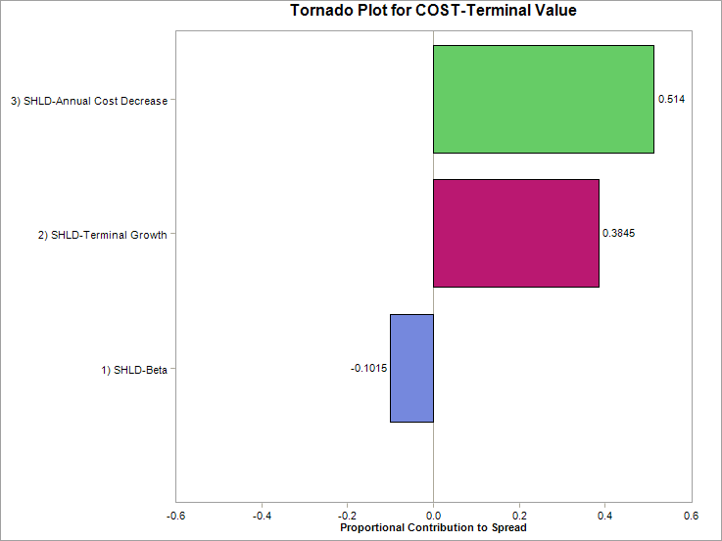
...
370,000 | 581,000 | 732,000
-497,000 | 141,000 | -397,000
- | - | -
-232,000 | -630,000 | -377,000
-229,000 | 1,091,000 | 446,000
-451,000 | -760,000 | -397,000

-2,167,000 | -1,387,000 | -1,109,000
...
-211,000 | -270,000 | -329,000
- | - | -2,000
2,730,000 | 597,000 | 995,000

2,519,000 | 327,000 | 664,000
...
- | - | -233,000
- | - | -
-314,000 | -172,000 | 1,149,000
- | 484,000 | -

-364,000 | 285,000 | 902,000
- | -3,000 | -38,000

-12,000 | -778,000 | 419,000

1. Tornado
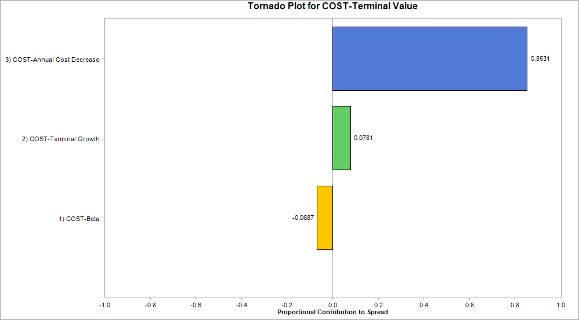

Output Variable: COST-Terminal Value ('[Project Analysis.xlsx]Costco- Analysis'!A$43)

Inputs Statistics:
# | Variable Name | Location | Value
1 | COST-Annual Cost Decrease | [Project Analysis.xlsx]Costco- Analysis'!B$9 | 0.85311186728
2 | COST-Beta | [Project Analysis.xlsx]Costco- Analysis'!B$16 | -0.06874894047
3 | COST-Terminal Growth | [Project Analysis.xlsx]Costco- Analysis'!B$13 | 0.078139192248

2. Tornado2
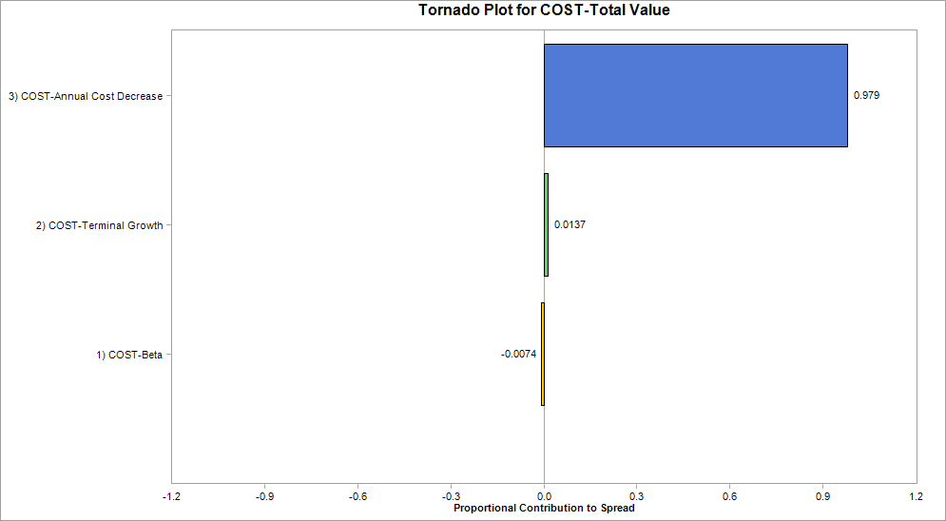

Output Variable: COST-Total Value ('[Project Analysis.xlsx]Costco- Analysis'!A$41)

Inputs Statistics:
# | Variable Name | Location | Value
1 | COST-Annual Cost Decrease | [Project Analysis.xlsx]Costco- Analysis'!B$9 | 0.97895531984
2 | COST-Beta | [Project Analysis.xlsx]Costco- Analysis'!B$16 | -0.0073705884764
3 | COST-Terminal Growth | [Project Analysis.xlsx]Costco- Analysis'!B$13 | 0.013674091679

3. Tornado3
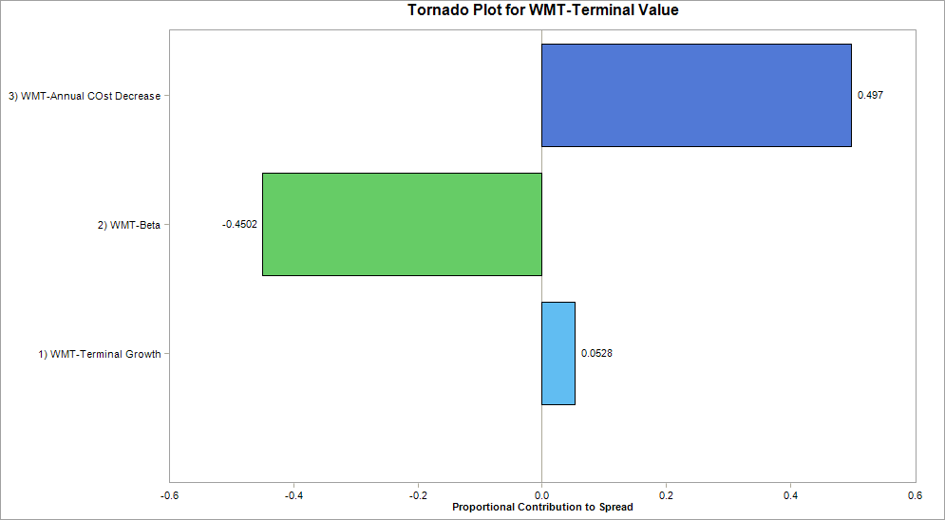

Output Variable: WMT-Terminal Value ('[Project Analysis.xlsx]WMT-Analysis'!A$43)

Inputs Statistics:
# | Variable Name | Location | Value
1 | WMT-Annual COst Decrease | [Project Analysis.xlsx]WMT-Analysis'!B$9 | 0.49700532823
2 | WMT-Beta | [Project Analysis.xlsx]WMT-Analysis'!B$16 | -0.4501592954
3 | WMT-Terminal Growth | [Project Analysis.xlsx]WMT-Analysis'!B$13 | 0.052835376366

4. Tornado4
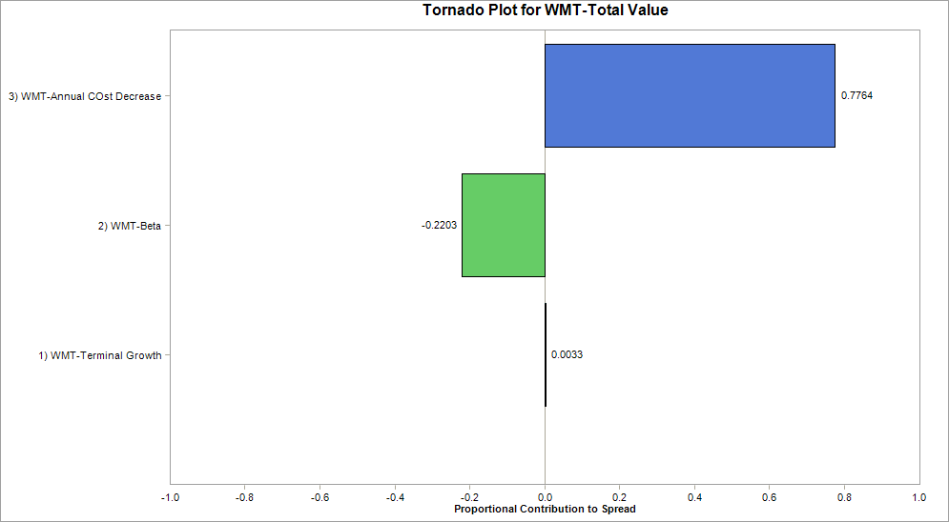

Output Variable: WMT-Total Value ('[Project Analysis.xlsx]WMT-Analysis'!A$41)

Inputs Statistics:
# | Variable Name | Location | Value
1 | WMT-Annual COst Decrease | [Project Analysis.xlsx]WMT-Analysis'!B$9 | 0.77640774882
2 | WMT-Beta | [Project Analysis.xlsx]WMT-Analysis'!B$16 | -0.22030622368
3 | WMT-Terminal Growth | [Project Analysis.xlsx]WMT-Analysis'!B$13 | 0.0032860275045

5. Tornado5
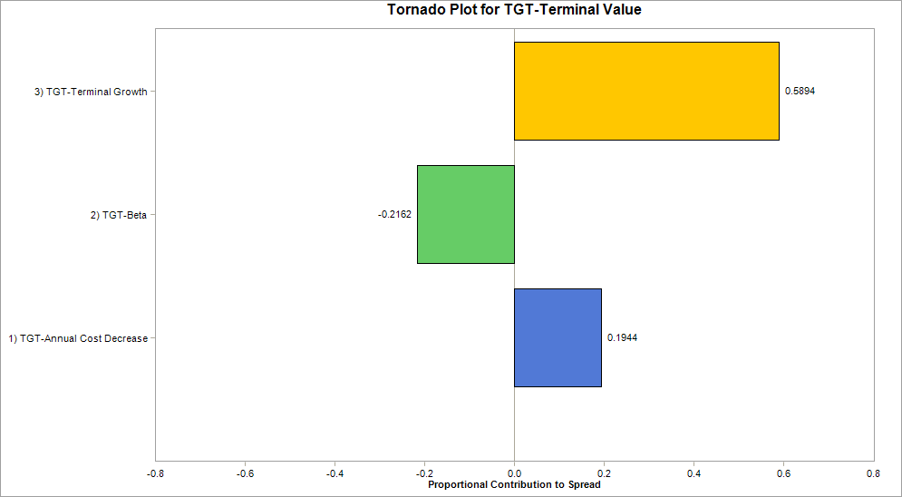

Output Variable: TGT-Terminal Value ('[Project Analysis.xlsx]TGT-Analysis'!A$43)

Inputs Statistics:
# | Variable Name | Location | Value
1 | TGT-Annual Cost Decrease | [Project Analysis.xlsx]TGT-Analysis'!B$9 | 0.19442657024
2 | TGT-Beta | [Project Analysis.xlsx]TGT-Analysis'!B$16 | -0.2162086461
3 | TGT-Terminal Growth | [Project Analysis.xlsx]TGT-Analysis'!B$13 | 0.58936478366

6. Tornado6
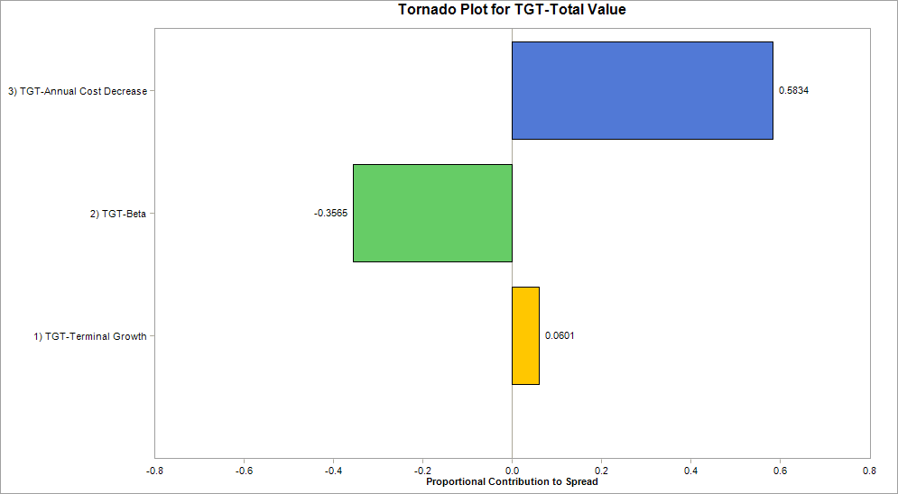

Output Variable: TGT-Total Value ('[Project Analysis.xlsx]TGT-Analysis'!A$41)

Inputs Statistics:
# | Variable Name | Location | Value
1 | TGT-Annual Cost Decrease | [Project Analysis.xlsx]TGT-Analysis'!B$9 | 0.58344220978
2 | TGT-Beta | [Project Analysis.xlsx]TGT-Analysis'!B$16 | -0.35647947124
3 | TGT-Terminal Growth | [Project Analysis.xlsx]TGT-Analysis'!B$13 | 0.060078318984

7. Tornado7
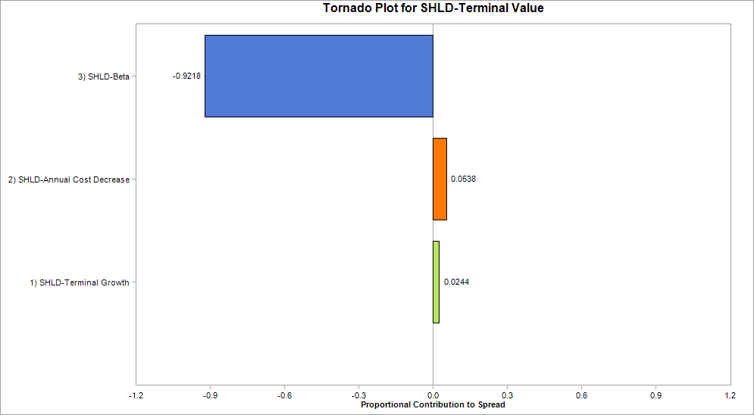

Output Variable: SHLD-Terminal Value ('[Project Analysis.xlsx]SHLD-Analysis'!A$43)

Inputs Statistics:
# | Variable Name | Location | Value
1 | SHLD-Annual Cost Decrease | [Project Analysis.xlsx]SHLD-Analysis'!B$9 | 0.053761141579
2 | SHLD-Beta | [Project Analysis.xlsx]SHLD-Analysis'!B$16 | -0.92178976683
3 | SHLD-Terminal Growth | [Project Analysis.xlsx]SHLD-Analysis'!B$13 | 0.02444909159

8. Tornado8
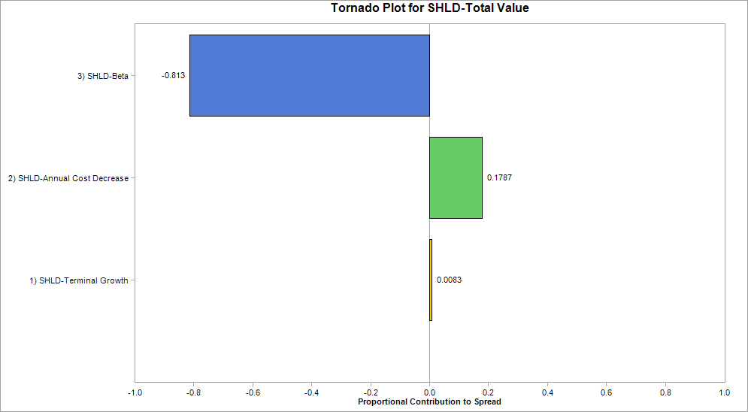

Output Variable: SHLD-Total Value ('[Project Analysis.xlsx]SHLD-Analysis'!A$41)

Inputs Statistics:
# | Variable Name | Location | Value
1 | SHLD-Annual Cost Decrease | [Project Analysis.xlsx]SHLD-Analysis'!B$9 | 0.17866295711
2 | SHLD-Beta | [Project Analysis.xlsx]SHLD-Analysis'!B$16 | -0.8130124804
3 | SHLD-Terminal Growth | [Project Analysis.xlsx]SHLD-Analysis'!B$13 | 0.0083245624886

9. Box-plot
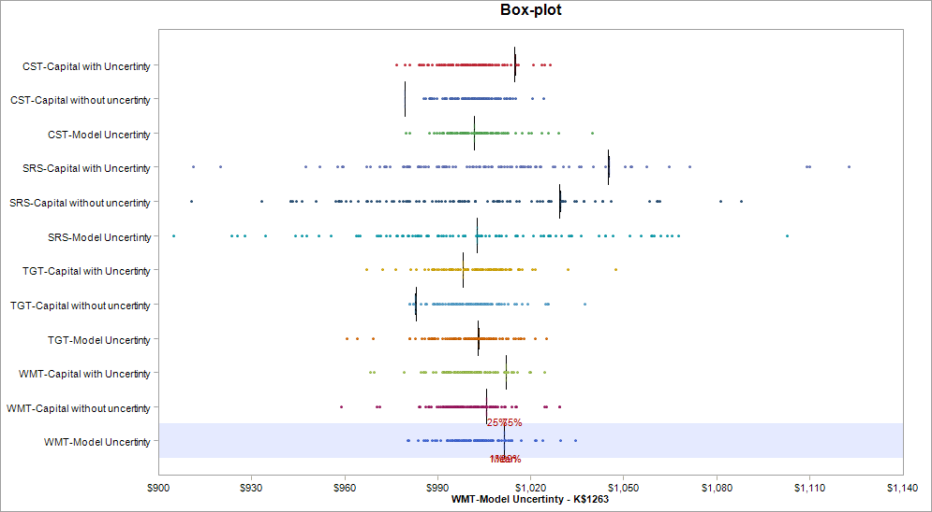

Variable Name | 1. CST-Capital with Uncertinty | 2. CST-Capital without uncertinty | 3. CST-Model Uncertinty | 4. SRS-Capital with Uncertinty | 5. SRS-Capital without uncertinty | 6. SRS-Model Uncertinty | 7. TGT-Capital with Uncertinty | 8. TGT-Capital without uncertinty | 9. TGT-Model Uncertinty | 10. WMT-Capital with Uncertinty | 11. WMT-Capital without uncertinty
Location | [Project Analysis.xlsx]Costco-Stocks'!J$1263 | [Project Analysis.xlsx]Costco-Stocks'!I$1263 | [Project Analysis.xlsx]Costco-Stocks'!K$1263 | [Project Analysis.xlsx]Sears-Stocks'!J$1263 | [Project Analysis.xlsx]Sears-Stocks'!I$1263 | [Project Analysis.xlsx]Sears-Stocks'!K$1263 | [Project Analysis.xlsx]Target-Stocks'!J$1263 | [Project Analysis.xlsx]Target-Stocks'!I$1263 | [Project Analysis.xlsx]Target-Stocks'!K$1263 | [Project Analysis.xlsx]Walmart-Stocks'!J$1263 | [Project Analysis.xlsx]Walmart-Stocks'!I$1263
Variable Type | Output | Output | Output | Output | Output | Output | Output | Output | Output | Output | Output
Percentile | Cumulative Probability
1.00% | 1015.0409 | 979.3889 | 1001.903 | 1045.4285 | 1029.6073 | 1002.7088 | 998.2873 | 982.8292 | 1003.2554 | 1012.2175 | 1005.8103
25.00% | 1015.0409 | 979.3889 | 1001.903 | 1045.4285 | 1029.6073 | 1002.7088 | 998.2873 | 982.8292 | 1003.2554 | 1012.2175 | 1005.8103
50.00% | 1014.9053897 | 979.58762845 | 1001.9061508 | 1045.0525437 | 1029.3244274 | 1002.6997457 | 998.32215706 | 982.99228287 | 1003.2187722 | 1012.1033346 | 1005.7575213
75.00% | 1015.0409 | 979.3889 | 1001.903 | 1045.4285 | 1029.6073 | 1002.7088 | 998.2873 | 982.8292 | 1003.2554 | 1012.2175 | 1005.8103
...

10. Box-plot2
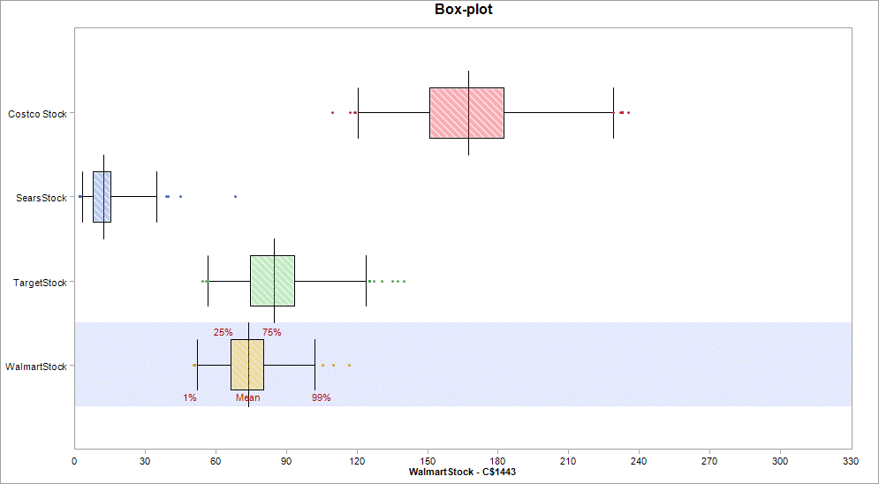

Variable Name | 1. Costco Stock | 2. SearsStock | 3. TargetStock | 4. WalmartStock
Location | [Project Analysis.xlsx]Stocks Correlation-Forecasting'!B$1443 | [Project Analysis.xlsx]Stocks Correlation-Forecasting'!E$1443 | [Project Analysis.xlsx]Stocks Correlation-Forecasting'!D$1443 | [Project Analysis.xlsx]Stocks Correlation-Forecasting'!C$1443
Variable Type | Output | Output | Output | Output
Percentile | Cumulative Probability
1.00% | 120.6948583 | 3.3889955341 | 56.809911418 | 52.364417186
25.00% | 151.02911104 | 7.7215687732 | 74.717320434 | 66.442510053
50.00% | 167.49901998 | 12.333276602 | 84.71948215 | 73.889549859
75.00% | 182.52788678 | 15.297518279 | 93.411666812 | 80.44324288
...

11. Histogram
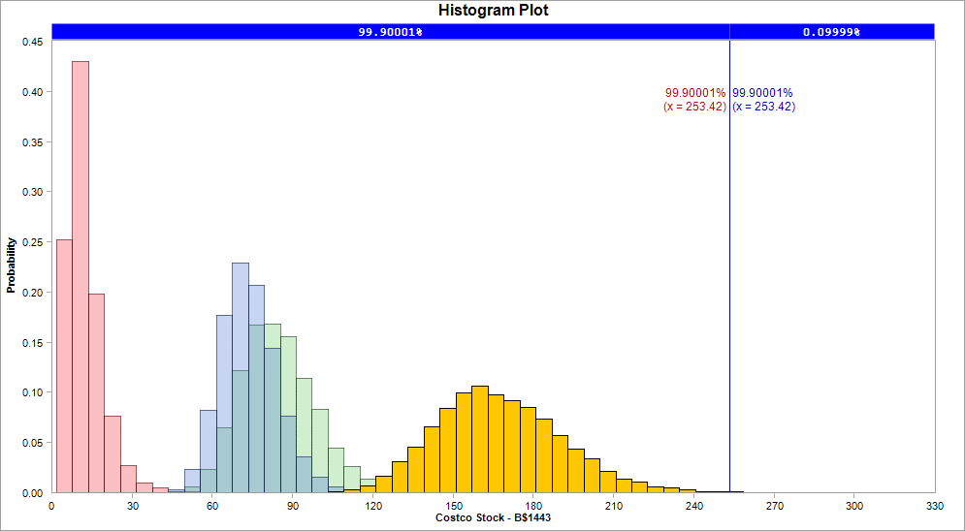

Variable Name | 1. Costco Stock | 2. SearsStock | 3. TargetStock | 4. WalmartStock
Location | [Project Analysis.xlsx]Stocks Correlation-Forecasting'!B$1443 | [Project Analysis.xlsx]Stocks Correlation-Forecasting'!E$1443 | [Project Analysis.xlsx]Stocks Correlation-Forecasting'!D$1443 | [Project Analysis.xlsx]Stocks Correlation-Forecasting'!C$1443
Variable Type | Output | Output | Output | Output
Bar begins at | Fraction of samples
1.7675787356 | 0 | 0.2522 | 0 | 0
7.7421952954 | 0 | 0.4299 | 0 | 0
13.716811855 | 0 | 0.1976 | 0 | 0
19.691428415 | 0 | 0.0764 | 0 | 0
...

12. Scatter
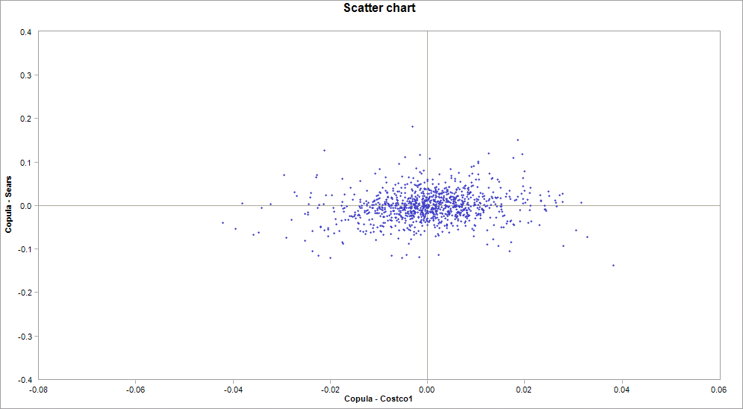

Variable Name | 1. Copula - Costco1 | 2. Copula - Sears
Location | [Project Analysis.xlsx]Stocks Correlation-Forecasting'!N$3 | [Project Analysis.xlsx]Stocks Correlation-Forecasting'!Q$3
Variable Type | Output | Output
1 | -0.012433493216 | -0.018783116314
2 | 0.0067724003068 | -0.018413608705
3 | 0.0078440725766 | -0.0055078791807
4 | 0.021259928499 | -0.036075151899
5 | -0.0074252971911 | 0.01943682493
...

13. Scatter2
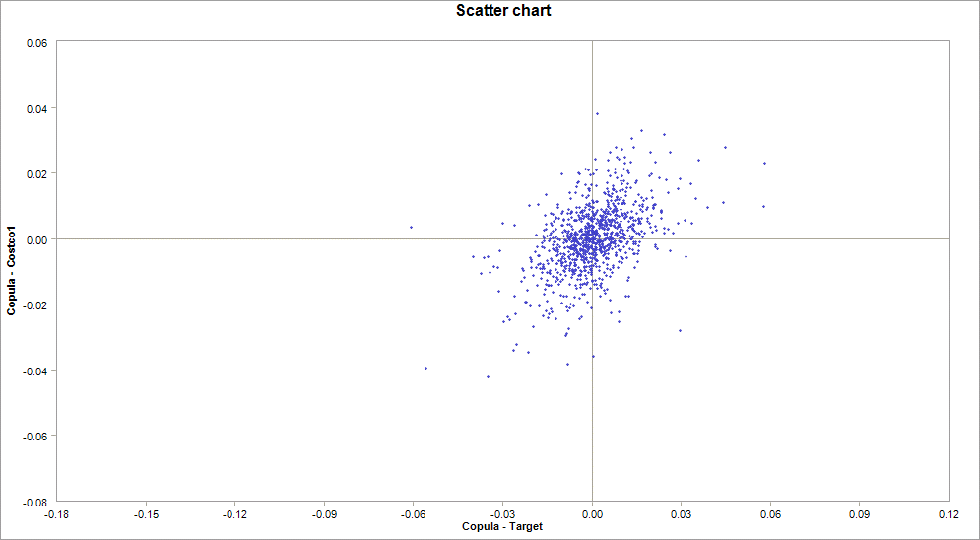

Variable Name | 1. Copula - Target | 2. Copula - Costco1
Location | [Project Analysis.xlsx]Stocks Correlation-Forecasting'!P$3 | [Project Analysis.xlsx]Stocks Correlation-Forecasting'!N$3
Variable Type | Output | Output
1 | 0.0034596021159 | -0.012433493216
2 | -0.0012534617387 | 0.0067724003068
3 | -0.013900337986 | 0.0078440725766
4 | -0.0021508308331 | 0.021259928499
5 | -0.010036793651 | -0.0074252971911
...

14. Scatter3
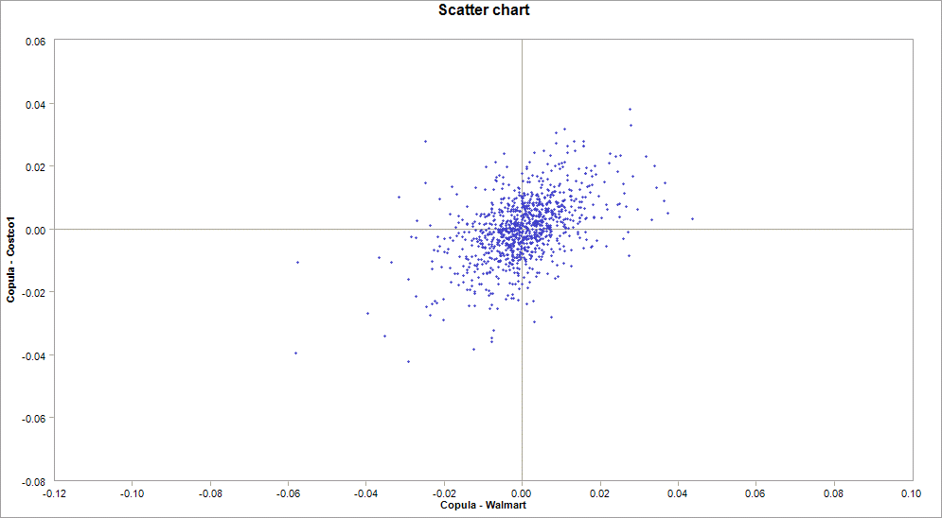

Variable Name | 1. Copula - Walmart | 2. Copula - Costco1
Location | [Project Analysis.xlsx]Stocks Correlation-Forecasting'!O$3 | [Project Analysis.xlsx]Stocks Correlation-Forecasting'!N$3
Variable Type | Output | Output
1 | -0.0012101198446 | -0.012433493216
2 | 0.00037551869717 | 0.0067724003068
3 | -0.0034802771017 | 0.0078440725766
4 | -0.0068689776273 | 0.021259928499
5 | 0.0022734944473 | -0.0074252971911
...

15. Scatter4
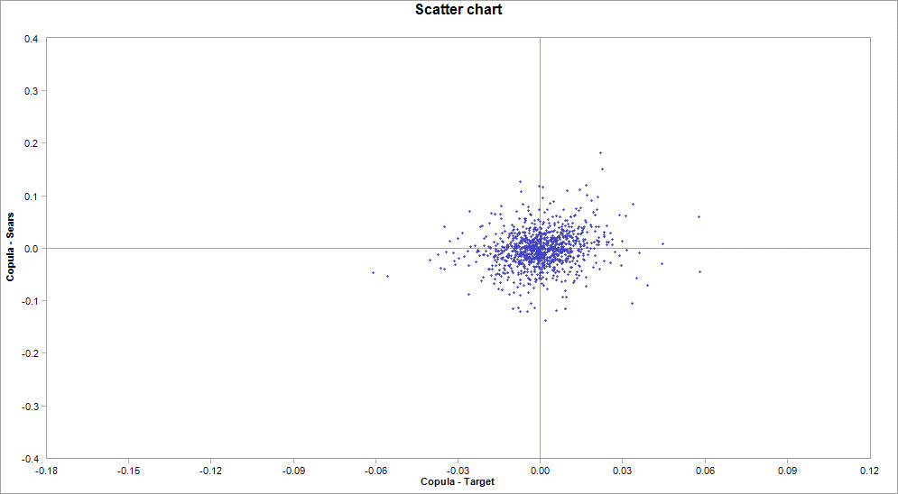

Variable Name | 1. Copula - Target | 2. Copula - Sears
Location | [Project Analysis.xlsx]Stocks Correlation-Forecasting'!P$3 | [Project Analysis.xlsx]Stocks Correlation-Forecasting'!Q$3
Variable Type | Output | Output
1 | 0.0034596021159 | -0.018783116314
2 | -0.0012534617387 | -0.018413608705
3 | -0.013900337986 | -0.0055078791807
4 | -0.0021508308331 | -0.036075151899
5 | -0.010036793651 | 0.01943682493
...

16. Scatter5
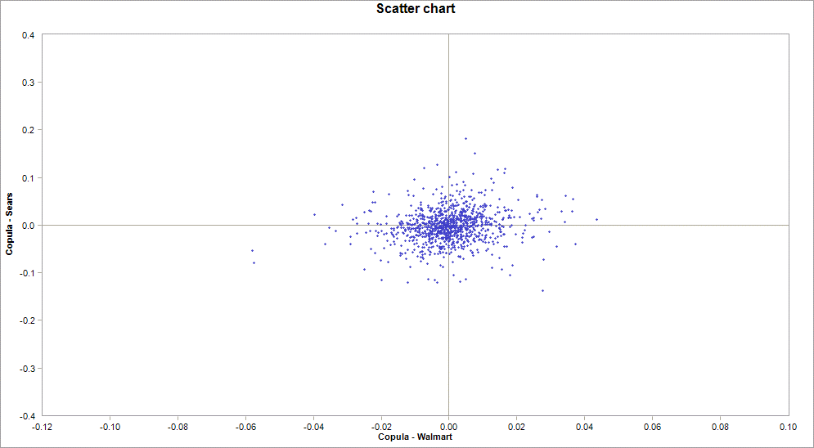

Variable Name | 1. Copula - Walmart | 2. Copula - Sears
Location | [Project Analysis.xlsx]Stocks Correlation-Forecasting'!O$3 | [Project Analysis.xlsx]Stocks Correlation-Forecasting'!Q$3
Variable Type | Output | Output
1 | -0.0012101198446 | -0.018783116314
2 | 0.00037551869717 | -0.018413608705
3 | -0.0034802771017 | -0.0055078791807
4 | -0.0068689776273 | -0.036075151899
5 | 0.0022734944473 | 0.01943682493
...

17. Scatter6
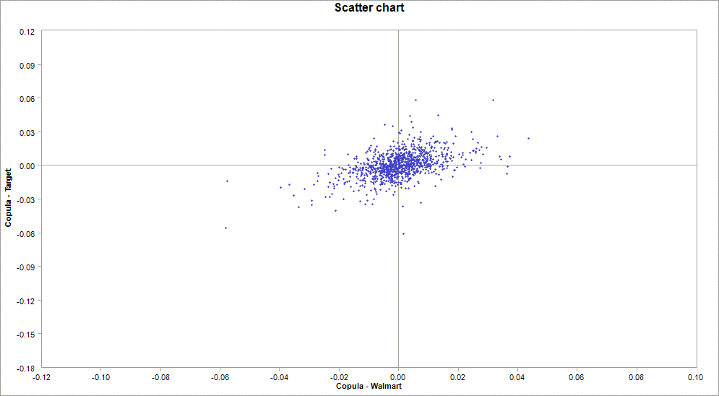

Variable Name | 1. Copula - Walmart | 2. Copula - Target
Location | [Project Analysis.xlsx]Stocks Correlation-Forecasting'!O$3 | [Project Analysis.xlsx]Stocks Correlation-Forecasting'!P$3
Variable Type | Output | Output
1 | -0.0012101198446 | 0.0034596021159
2 | 0.00037551869717 | -0.0012534617387
3 | -0.0034802771017 | -0.013900337986
4 | -0.0068689776273 | -0.0021508308331
5 | 0.0022734944473 | -0.010036793651
...

